Tsvetan
 | PSB0001
Name | The user cannot open the dropdown button "All items"
Priority | P1
Severity | S1
Description | The user cannot open the dropdown button "All items" to select an item after logged in with valid credentials
Steps to reproduce | 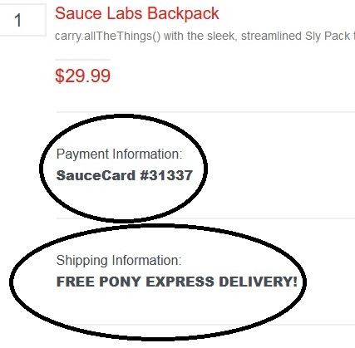 1. Open a URL https://www.saucedemo.com/ 2. Log in with valid username "standard_user" and password :"secret_sauce" 3. After logged in click on dropdown button "All items" to select an item which you want to buy Expected result : To open the dropdown button "All items", to see all items and to select some of them Actual result : The user cannot open the "All items" button
Attachment | -
Status | New
Component
Version/Build number (Found in) | G4.0.5.1; 109.0.1518.61
Environment | Waterfox ; Microsoft Edge using a Windows 10 Home (version 21H2)
Comments | -
Date Created | 2023-01-25
Author | Tsvetan Yosifov
Audit Log

 | PSB0002
Name | Privacy policy of the website does not work
Priority | P2
Severity | S1
Description | The user won't be able to read the privacy policy which is important
Steps to reproduce | 1. After logged in with valid credentials scroll down to the bottom of the page and click on "Privacy policy" Expected result : To open the Privacy policy and to read all essential information about our personal data and our corresponding rights Actual result : The user cannot open the Privacy policy. It is not an active button.
Attachment
Status | New
Component | Policy
Version/Build number (Found in) | G4.0.5.1; 109.0.1518.61
Environment | Waterfox ; Microsoft Edge using a Windows 10 Home (version 21H2)
Comments | -
Date Created | 2023-01-25
Author | Tsvetan Yosifov
Audit Log

 | PSB0003
Name | Reset app state button does not work
Priority | P1
Severity | S1
Description | The user won't be able to select the button "Reset app state"
Steps to reproduce | 1. After logged in with valid credentials the user should click on the button with dropdown menu which is located on top left side of the website. 2. The user should click on the button "Reset app state" and to expect some action to occur. Expected result : Some action to occur by clicking on the button "Reset app state". Actual result : The button "Reset app state" does not work.
Attachment | 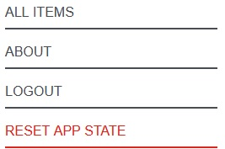
Status | New
Component | Reset
Version/Build number (Found in) | G4.0.5.1; 109.0.1518.61
Environment | Waterfox ; Microsoft Edge using a Windows 10 Home (version 21H2)
Comments | -
Date Created | 2023-01-26
Author | Tsvetan Yosifov
Audit Log

 | PSB0004
Name | Numbers replace the letters in the fields "First Name" and "Last Name" when the user wants to pay for some item from the Cart
Priority | P1
Severity | S1
Description | The user has the option to write numbers instead of their names in the fields "First Name"and "Last Name"where he/she expects to enter only letters
Steps to reproduce | 1. By entering numbers in the field "First Name"and "Last Name" the user won't be able to receive the item because of the lack of their real names. 2. After entering the numbers the user should click on the button "Continue" to see if the system would allow him to move forward. 3. By clicking on "Continue" button the system works properly and allows us to continue. Expected result : The system should not have an option to accept numbers in name fields where letters are required. Actual result : By entering numbers in these two fields described above the system accepts the numbers and lets us move on with next payment steps by clicking on "Continue" button.
Attachment | 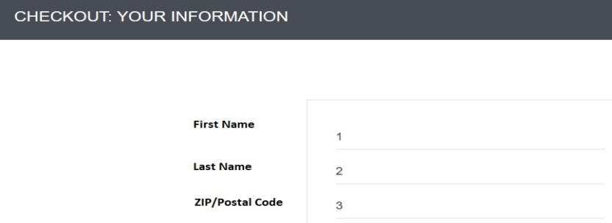
Status | New
Component
Version/Build number (Found in) | G4.0.5.1; 109.0.1518.61
Environment | Waterfox ; Microsoft Edge using a Windows 10 Home (version 21H2)
Comments | -
Date Created | 2023-01-26
Author | Tsvetan Yosifov
Audit Log

 | PSB0005
Name | Missing buttons to enter shipping and payment information
Priority | P1
Severity | S1
Description | 1. The user won't be able to fill in shipping information fields: their first and last name; full address including country, city, zip/postal code and their phone number. 2. The user won't be able to put his/her debit card details to pay for an item which he/she want to buy.
Steps to reproduce | 1. By clicking on "Shipping information" the user will see that this is not an active button where usually he/she can enter the shipping information. 2. By clicking on "Payment information" the user won't be abe to fill in her/his debit card details for the payment. 3. The user should click on "Cancel" because he/she won't be able to order some item missing these payment and shipping details. Expected result : The user expects to enter all debit card and shipping details to finish the buying process.. Actual result : The user won't be able to finish the buying process because of missing the active buttons for entering the shipping and payment details. The user can only see some undefined credit card information and a delivery provider.
Attachment
Status | New
Component
Version/Build number (Found in) | G4.0.5.1; 109.0.1518.61
Environment | Waterfox ; Microsoft Edge using a Windows 10 Home (version 21H2)
Comments | -
Date Created | 2023-01-26
Author | Tsvetan Yosifov
Audit Log

http://training.skillo-bg.com/

 | PSB000 1.2.1
Name | The registration is not possible.
Priority | P1
Severity | S1
Description | 1. The user won't be able to register. The registration form always fails.
Steps to reproduce | 1. Open a URL http://training.skillo-bg.com/users/register 2. Fill in "username", "email", "password" and "confirm password" fields in the registration form. 3. After entering this data select the button "Sign in". 4. The user will be able to see that Registration failed without a message with the reason. 5. should select an item and click on "Add to cart" button. Expected result : To open the dropdown button "All items", to see all items and to select some of them Actual result : The user cannot open the "All items" button 1. By clicking on "Shipping information" the user will see that this is not an active button where usually he/she can enter the shipping information. 2. By clicking on "Payment information" the user won't be abe to fill in her/his debit card details for the payment. 3. The user should click on "Cancel" because he/she won't be able to order some item missing these payment and shipping details. Expected result : The user expects to enter all debit card and shipping details to finish the buying process.. Actual result : The user won't be able to finish the buying process because of missing the active buttons for entering the shipping and payment details. The user can only see some undefined credit card information and a delivery provider.
Attachment
Status | New
Component
Version/Build number (Found in) | G4.0.5.1; 109.0.1518.61
Environment | Waterfox ; Microsoft Edge using a Windows 10 Home (version 21H2)
Comments | -
Date Created | 2023-01-26
Author | Tsvetan Yosifov
Audit Log

Andrey
Bug ID | PSB001
Name | all the products have the same picture
Priority | p1
Severity | p1
Description | when we go to the products page, all the products have the same picture
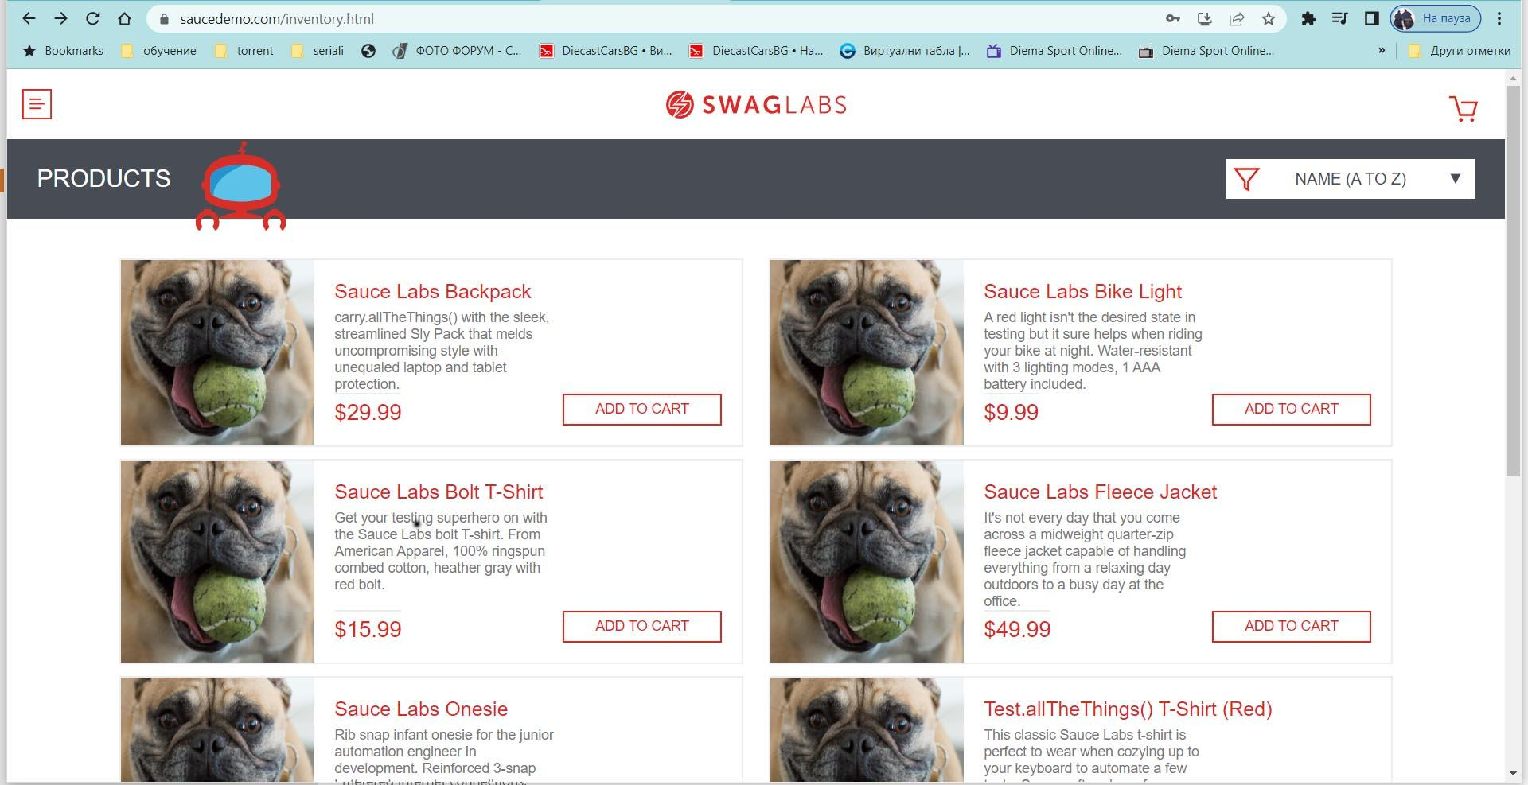
Steps to reproduce | Preconditions: for login in site use user: problem_user and password: secret_sauce 1.Open site and log in user 2.When the product page is opened all products appear with the same picture Expected result: When the product page is opened all products should have real product photos Actual result:All products appear with the same photo
Attachment -
Status | New
Component | Product page
Version/Build number (Found in)
Environment | Google Chrome 109.0.5414.75 / Windows 10
Comments | -
Date Created | 2023-01-19
Author | Andrey Stoilov
Audit Log

Bug ID | PSB002
Name | you cannot enter the page with valid data
Priority | p1
Severity | p1
Description | unable to log in with username and password
Steps to reproduce | Preconditions: for login in site use user:locked_out_user/pass:secret_sauce 1.Fill user name and pass 2.Click "LOGIN" 3. A red window appears with the inscription:Epic sadface: Sorry, this user has been locked out. Expected result: Successful login with user name and pass Actual result: Unsuccessful login with user name and pass
Attachment | -
Status | New
Component | Login Fail
Version/Build number (Found in)
Environment | Google Chrome 109.0.5414.75 / Windows 10
Comments | To version: Google Chrome 109.0.5414.75 / Windows 10 this bug appears
Date Created | 2023-01-19
Author | Andrey Stoilov
Audit Log

A
Bug ID | PSB001
Name
Priority
Severity
Description
Steps to reproduce
Attachment | -
Status
Component
Version/Build number (Found in)
Environment
Comments | -
Date Created
Author
Audit Log

ISkillo

Bug ID | ISkill001
Name | the "dislike" icon is active for unregistered users
Priority | P4
Severity | S4
Description | You can "dislike" as an unregistered user
Steps to reproduce | Preconditions: unregistered user 1. Load https://www.training.skillo-bg.com/posts/ 2. Click on the user post 3. Click "dislike" icon Expected result: when you click the "dislike" icon, "you need to sign in" notification appears in orange at the bottom left of the screen Actual result: the "dislike" icon is active and allows an unregistered user to use it
Attachment | -
Status | New
Component | Icon
Version/Build number (Found in) | Version: 2020.3.1.4200
Environment | Google Chrome 109.0.5414.75 / Windows 10
Comments | To version: Google Chrome 109.0.5414.75 / Windows 10 this bug appears
Date Created | 2023-01-23
Author | Andrey Stoilov
Audit Log

Bug ID | ISkill002
Name | error 404
Priority | P1
Severity | S1
Description | After clicking on user's profile link error 404 page appears
Steps to reproduce | Preconditions: unregistered user 1. Load https://www.training.skillo-bg.com/posts/ 2. Click on user profile link Expected result: Redirect to "sign in" form Actual result: blank page with "error 404" appears
Attachment
Status | New
Component | Page
Version/Build number (Found in) | Version: 2020.3.1.4200
Environment | Google Chrome 109.0.5414.75 / Windows 10
Comments | To version: Google Chrome 109.0.5414.75 / Windows 10 this bug appears
Date Created | 2023-01-23
Author | Andrey Stoilov
Audit Log

Bug ID | ISkill003
Name | Wrong description for "register form" The public info field is missing from the registеr form
Priority | P4
Severity | S4
Description | When you start registration the "public info" field is missing from the registеr form.
Steps to reproduce | 1.Load https://www.training.skillo-bg.com/posts/ 2.Click "Login" URL(upper left, next to lpgo and "Home" URL) Expected result: We expect to see "public info" field in the registration form Actual result: Registration form appears without "public info" field
Attachment
Status | New
Component | Registration
Version/Build number (Found in) | Version: 2020.3.1.4200
Environment | Google Chrome 109.0.5414.75 / Windows 10
Comments | To version: Google Chrome 109.0.5414.75 / Windows 10 this bug appears
Date Created | 2023-01-23
Author | Andrey Stoilov
Audit Log

Bug ID | ISkill004
Name | Wrong description "password policy" .Customer able to register only with digits.
Priority | P1
Severity | S1
Description | Customer able to register only with digits. Тhe requirement is еach password should contain at least 6 symbols including 1 big letter and 1 digit.
Steps to reproduce | 1.Load https://www.training.skillo-bg.com/posts/ 2.Click "Login" 3. Click on "Register" link 4.Fill the fields with a username and email for password fill only digits 5.Click on the "Sign in" button Expected result: An orange color "registration failed" message should appear in the bottom right corner of the screen. Actual result: System allow's registration only with digits
Attachment | -
Status | New
Component | Registration
Version/Build number (Found in) | Version: 2020.3.1.4200
Environment | Google Chrome 109.0.5414.75 / Windows 10
Comments | To version: Google Chrome 109.0.5414.75 / Windows 10 this bug appears
Date Created | 2023-01-24
Author | Andrey Stoilov
Audit Log

Bug ID | ISkill005
Name | Wrong description for "Sign in" button
Priority | P1
Severity | S4
Description | When click on "Sign in" button message with orange color appear in the bottom right on the screen "Username or email cannot be empty"
Steps to reproduce | 1.Open https://www.training.skillo-bg.com 2.Click "Login" 3.Click "Sign in" Expected result: The sign in button should be inactive Actual result: The "Sign in button is active. A message about incomplete data appears.
Attachment | -
Status | New
Component | Login
Version/Build number (Found in) | Version: 2020.3.1.4200
Environment | Google Chrome 109.0.5414.75 / Windows 10
Comments | To version: Google Chrome 109.0.5414.75 / Windows 10 this bug appears
Date Created | 2023-01-24
Author | Andrey Stoilov
Audit Log

Bug ID | ISkill006
Name | Change password unsuccessful
Priority | P1
Severity | S1
Description | when trying to change the password, the button "SAVE" is active but nothing happens
Steps to reproduce | Preconditions: Registered user 1.Open https://www.training.skillo-bg.com 2.Login with username and password 3.From Home page click "Profile" link(upper left, next to lоgo, between "Home" link and "New post" link) 4. Click on the edit icon 5.Fill in the fields "password" and "confirm password" 6.Click "SAVE" button Expected result: Change the password and redirect us to the home page Actual result: Click on the "save" button does not change anything
Attachment | -
Status | New
Component | Password
Version/Build number (Found in) | Version: 2020.3.1.4200
Environment | Google Chrome 109.0.5414.75 / Windows 10
Comments | -
Date Created | 2023-01-24
Author | Andrey Stoilov
Audit Log

Ivakis
Bug ID | PSB001
Name | User can't open cart
Priority | P1
Severity | S1
Description | After adding a product to the basket the user can't open the cart.
Steps to reproduce | Preconditions: for login in site use user: problem_user and password: secred_sauce 1. Open site and login user 2. Select a product and click "add to cart" 3. Click on "Cart" icon Expected result: the shoping cart should open Actual result: a blank screen is opened
Attachment | -
Status | New
Component | Basket
Version/Build number (Found in) | 1.0.11
Environment | Chrome v108, Desctop PC using Windows 10 v22H2
Comments
Date Created | 2023-01-18
Author | Ivaylo Yordanov
Audit Log

Bug ID | PSB002
Name | Clicking on a product opens a different one
Priority | P1
Severity | S1
Description | Clicking on a product on the homepage is opening a different product, always the same not random. The bug is present on all products in the menu.
Steps to reproduce | Preconditions: for login in site use user: problem_user and password: secred_sauce 1. Open site and login user 2. Select a random product on homepage and click on it. Expected result: the product page should open Actual result: a different from the selected product is opening.
Attachment | -
Status | New
Component | Product menu
Version/Build number (Found in) | 1.0.11
Environment | Chrome v108, Desctop PC using Windows 10 v22H2
Comments
Date Created | 2023-01-18
Author | Ivaylo Yordanov
Audit Log

Bug ID | PSB003
Name | Remove from Cart button is not working
Priority | P2
Severity | S3
Description | After adding a product to the cart from the homepage menu the button "Remove" is not working. Same bug with "Remove" button presists in the product page.
Steps to reproduce | Preconditions: for login in site use user: problem_user and password: secred_sauce 1. Open site and login user 2. Select a random product on homepage and add it to Cart. 3. Click on the "Remove" button. Expected result: the product should be removed from the cart. Actual result: nothing is happening, the button is not responsive.
Attachment | -
Status | New
Component | Cart
Version/Build number (Found in) | 1.0.11
Environment | Chrome v108, Desctop PC using Windows 10 v22H2
Comments
Date Created | 2023-01-18
Author | Ivaylo Yordanov
Audit Log

Bug ID | PSB004
Name | Checkout's form "Last Name" textbox is not working
Priority | P1
Severity | S1
Description | On the checkout page if you type in the "Last Name" box the text appears letter by letter in the "First Name" box.
Steps to reproduce | Preconditions: for login in site use user: problem_user and password: secred_sauce 1. Open site and login user 2. Select a random product on homepage and add it to Cart. 3. Click on the "Cart" icon. 4. Click "Checkout" button. 5. Enter text in "First Name" box 6. Try to enter text in "Last Name" box Expected result: the user should be able to fill his last name. Actual result: The entered text appears in "Fisrt Name" box letter by letter.
Attachment | -
Status | New
Component | Checkout
Version/Build number (Found in) | 1.0.11
Environment | Chrome v108, Desctop PC using Windows 10 v22H2
Comments
Date Created | 2023-01-18
Author | Ivaylo Yordanov
Audit Log

Bug ID | PSB005
Name | Not all products from the homepage can be added to cart.
Priority | P1
Severity | S1
Description | The order of selecting the products does not mather.
Steps to reproduce | Preconditions: for login in site use user: problem_user and password: secred_sauce 1. Open site and login user 2. From the homepage try to add all 6 products to Cart. Expected result: all 6 products should be added to cart. Actual result: Only products 1, 2 and 5 are added to cart, "Add to cart" button is unresponsive on product 3, 4 and 6.
Attachment | -
Status | New
Component | Homepage
Version/Build number (Found in) | 1.0.11
Environment | Chrome v108, Desctop PC using Windows 10 v22H2
Comments
Date Created | 2023-01-18
Author | Ivaylo Yordanov
Audit Log

Bug ID | PSB005
Name | Loading homepage directory "/inventory.html" is delayed
Priority | P3
Severity | S5
Description | Loading homepage directory "/inventory.html" from login page, "back to products" button in product menu or "continue shopping" button in cart is delayed. The error is dysplayed in Chrome Developer Console.
Steps to reproduce | Preconditions: for login in site use user: performance_glitch_user and password: secred_sauce 1. Open site and enter username and password 2. Click "Login" button Expected result: user should be redirected to homepage in maximum 1-2 seconds Actual result: user is redirected to homepage with considerable delay.
Attachment | -
Status | New
Component | Background performance
Version/Build number (Found in) | 1.0.11
Environment | Chrome v108, Desctop PC using Windows 10 v22H2
Comments
Date Created | 2023-01-18
Author | Ivaylo Yordanov
Audit Log

Bug ID | PSB006
Name | Checkout is possible with no product added to cart
Priority | P1
Severity | S3
Description | Users can complete an order without adding product to cart.
Steps to reproduce | Preconditions: for login in site use user: standard_user and password: secred_sauce 1. Open site and login user. 2. Click on "Cart" icon. 3. Click on "Checkout" button. Expected result: error message for empty cart should appear Actual result: user is allowed to continue and finish his order.
Attachment | -
Status | New
Component | Cart
Version/Build number (Found in) | 1.0.11
Environment | Chrome v108, Desctop PC using Windows 10 v22H2
Comments
Date Created | 2023-01-18
Author | Ivaylo Yordanov
Audit Log

Bug ID | PSB007
Name | Sorting products is not working
Priority | P1
Severity | S2
Description | User is unable to sort products in the product list. The bug is present for all available options for sorting.
Steps to reproduce | Preconditions: for login in site use user: problem_user and password: secred_sauce 1. Open site and login user 2. From the homepage click on sort menu and select "Price(low to high)". Expected result: product list should sort by price form low to high. Actual result: nothing is happening.
Attachment | -
Status | New
Component | Homepage
Version/Build number (Found in) | 1.0.11
Environment | Chrome v108, Desctop PC using Windows 10 v22H2
Comments
Date Created | 2023-01-18
Author | Ivaylo Yordanov
Audit Log

Bug ID | PSB008
Name | All products in homepage share the same thumbnail
Priority | P2
Severity | S2
Description | All products in the homepage product list share the same wrong thumbnail. The picture in the thumbnail is not from any of the products. When you open the products they all have the correct picture.
Steps to reproduce | Preconditions: for login in site use user: problem_user and password: secred_sauce 1. Open site and login user 2. Scroll product list. Expected result: user should see list of products with diferent thimbnail pictures. Actual result: all products in the list have the same thumbnail picture.
Attachment | -
Status | New
Component | Homepage
Version/Build number (Found in) | 1.0.11
Environment | Chrome v108, Desctop PC using Windows 10 v22H2
Comments
Date Created | 2023-01-18
Author | Ivaylo Yordanov
Audit Log

Bug ID | PSB009
Name | Poduct opens as ITEM NOT FOUND
Priority | P4
Severity | S4
Description | Opening the product "Sauce Labs Fleece Jacket" loads a product with "ITEM NOT FOUND" name and wrong text in product description.
Steps to reproduce | Preconditions: for login in site use user: problem_user and password: secred_sauce 1. Open site and login user 2. From the homepage click on the product "Sauce Labs Fleece Jacket". Expected result: product "Sauce Labs Fleece Jacket" should open. Actual result: product with name "ITEM NOT FOUND" and wrong description opens.
Attachment | -
Status | New
Component | Product page
Version/Build number (Found in) | 1.0.11
Environment | Chrome v108, Desctop PC using Windows 10 v22H2
Comments
Date Created | 2023-01-18
Author | Ivaylo Yordanov
Audit Log

Bug ID | PSB010
Name | Shopping Card is shared between diferent users.
Priority | P1
Severity | S1
Description | If you add a product to cart with one user then logout and login with different you can see the product added by the previous user still in the cart.
Steps to reproduce | 1. Open site and login with user: normal_user and password: secret_sauce 2. Select a random product from the list and add it to cart. 3. Logout 4. Login with user: problem_user and password: secret_sauce Expected result: user "problem_user" should have an empty shopping cart Actual result: user "problem_user" has in his shopping cart item added by "normal_user"
Attachment | -
Status | New
Component | Cart
Version/Build number (Found in) | 1.0.11
Environment | Chrome v108, Desctop PC using Windows 10 v22H2
Comments
Date Created | 2023-01-18
Author | Ivaylo Yordanov
Audit Log

iSkillo BugZ

Bug ID | iSB001
Name | Password different that the specifications is allowed at registration.
Priority | P1
Severity | S1
Description | User is able to register an account using password that does not include 1 big letter and 1 digit.
Steps to reproduce | 1. Open site. 2. Click "Login" button 3. Click "Register" button 4. Fill any username and e-mail that is accepted. 4. Fill a password that does not include 1 big letter and 1 digit 5. Confirm the same password. 6. Click "Sign In" button. Expected result: User should get an error for the unaccepted password. Actual result: User is allowed to create the account with the unaccepted password.
Attachment | -
Status | New
Component | Login
Version/Build number (Found in) | Version: 2020.3.1.4200
Environment | Chrome v108, Desctop PC using Windows 10 v22H2
Comments | Specification 3.2.2 Req-4
Date Created | 2023-01-18
Author | Ivaylo Yordanov
Audit Log

Bug ID | iSB002
Name | User can create a post only with picture.
Priority | P2
Severity | S4
Description | User is able to create new post only by adding a picture and without a capture.
Steps to reproduce | 1. Open site and Login with valid credentials. 2. Create new post using "New post" button on the Homepage or the one in the user profile. 3. Add a picture to the post. 4. Leave the field "Enter you post caption here" empty. 5. Click on "Submit" button. Expected result: User should get and error that a caption is required. Actual result: The post is created with no caption.
Attachment | -
Status | New
Component | New post.
Version/Build number (Found in) | Version: 2020.3.1.4200
Environment | Chrome v108, Desctop PC using Windows 10 v22H2
Comments | Specification 3.8.2 Req-3
Date Created | 2023-01-18
Author | Ivaylo Yordanov
Audit Log

Bug ID | iSB003
Name | New post form is missing "X" button
Priority | P1
Severity | S1
Description | After opening the New post form the user is unable to close it because the "X" button is missing.
Steps to reproduce | 1. Open site and Login with valid credentials. 2. Create new post using "New post" button on the Homepage or the one in the user profile. 3. Cancel post creation Expected result: User should be able to click "X" button to cancel new post creation. Actual result: The "X" button is missing.
Attachment | -
Status | New
Component | New post.
Version/Build number (Found in) | Version: 2020.3.1.4200
Environment | Chrome v108, Desctop PC using Windows 10 v22H2
Comments | Specification 3.8.2 Req-2
Date Created | 2023-01-18
Author | Ivaylo Yordanov
Audit Log

Bug ID | iSB004
Name | Logged in user cannot use the infinite scroll
Priority | P1
Severity | S1
Description | After spending some time in a single session as logged in user the infinite scroll funtion stops working. If the user logs out the infinite scroll is working as intended
Steps to reproduce | 1. Open site and Login with valid credentials. 2. Open your profile and spend some time in it. 3. Click on "Home" button. 4. Scroll down to see new post. Expected result: New post should load. Actual result: A loading icon appears but no new post are loaded.
Attachment | -
Status | New
Component | Homepage
Version/Build number (Found in) | Version: 2020.3.1.4200
Environment | Chrome v108, Desctop PC using Windows 10 v22H2
Comments
Date Created | 2023-01-18
Author | Ivaylo Yordanov
Audit Log

Bug ID | iSB005
Name | Post is deleted even if "NO" is selected
Priority | P1
Severity | S2
Description | If user selects to delte a post a dialog box appears with "Are you sure?" and "Yes" and "No" as options. The post is deleted even if "No" is selectet to cancel the post deletion.
Steps to reproduce | 1. Open site and Login with valid credentials. 2. Open your profile and click on a random post. 3. Click on "Delete post" button. 4. Click "No" button. Expected result: Delete post request should be canceled. Actual result: The post is deleted.
Attachment | -
Status | New
Component | Post
Version/Build number (Found in) | Version: 2020.3.1.4200
Environment | Chrome v109.0.5414.75, Desctop PC using Windows 10 v22H2
Comments
Date Created | 2023-01-19
Author | Ivaylo Yordanov
Audit Log

Bug ID | iSB006 | Bug ID | iSB006
Name | "New post" button on the Profile page is in wrong location. | Name | "New post" button on the Profile page is in wrong location and dissapears after a post is added.
Priority | P2 | Priority | P2
Severity | S2 | Severity | S2
Description | In the user profile page the "New post" button is not in the same location as it is shown in the mockup provided with the specification. | Description | In the user profile page the "New post" button is not in the same location as it is shown in the mockup provided with the specification and is visible only if the selected category is empty. The button dissapears after a post is added to the category. The bug is present for all 3 categories - All, Public and Private.
Steps to reproduce | 1. Open site and Login with valid credentials. 2. Open your profile page. Expected result: User should see the "New post" button in the Profile page displayed on the right side of the post filters. Actual result: The button "New post" is located under the post filters. | Steps to reproduce | 1. Open site and Login with valid credentials. 2. Open your profile page. 3. "New post" button is not located on the right side of the filter buttons but is under them. Click on the "New post" button. 4. Complete the steps to publish you post and press "Submit" Expected result: User should see the "New post" button in the Profile page displayed on the right side of the post filters and his newly created post under the filters. Actual result: The button "New post" that was located under the post filters has been replaced with the newly created post and there is no "New post" button visible in the user profile page.
Attachment | 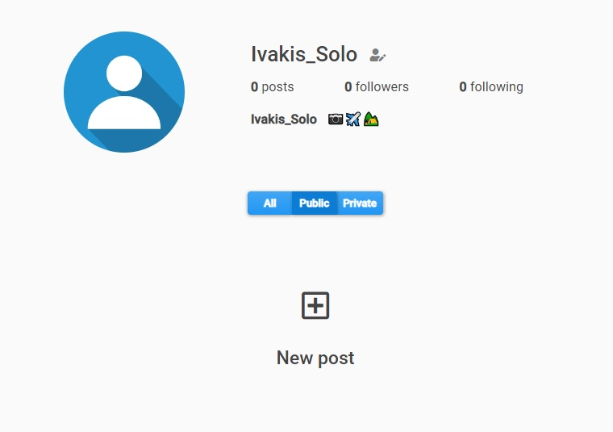 | Attachment | 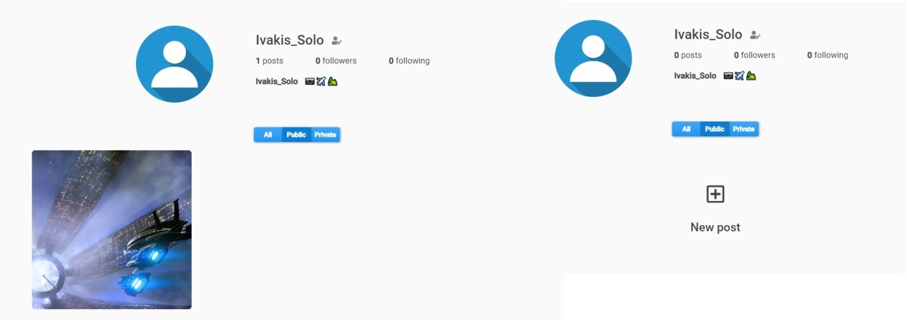
Status | New | Status | New
Component | Profile page | Component | Profile page
Version/Build number (Found in) | Version: 2020.3.1.4200 | Version/Build number (Found in) | Version: 2020.3.1.4200
Environment | Chrome v109.0.5414.75, Desctop PC using Windows 10 v22H2 | Environment | Chrome v109.0.5414.75, Desctop PC using Windows 10 v22H2
Comments |  | Comments
Date Created | 2023-01-22 | Date Created | 2023-01-22
Author | Ivaylo Yordanov | Author | Ivaylo Yordanov
Audit Log |  | Audit Log

Bug ID | iSB007
Name | "New post" button on the Profile page is visible only when there are no posts in the category.
Priority | P2
Severity | S2
Description | After publishing one post the button "New post" dissapears from the Profile page. The bug is present in all 3 categories - All, Public and Private. User can still use "New post" button in the header of the website.
Steps to reproduce | 1. Open site and Login with valid credentials. 2. Open your profile and click on the "New Post" button. 3. Complete steps to publish your post. Expected result: After publishing your post you should see your new post and the "New post" button in your Profile page. Actual result: Only the new post is visible, the button "New post" dissapears.
Attachment | 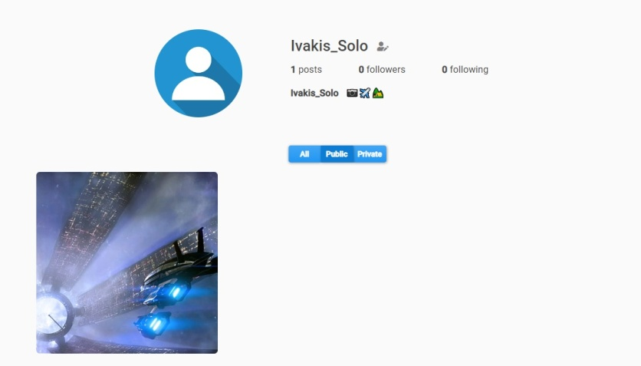
Status | New
Component | Profile page
Version/Build number (Found in) | Version: 2020.3.1.4200
Environment | Chrome v109.0.5414.75, Desctop PC using Windows 10 v22H2
Comments
Date Created | 2023-01-22
Author | Ivaylo Yordanov
Audit Log

Bug ID | iSB008
Name | "Sign up" form is missing "Personal info"
Priority | P1
Severity | S3
Description
Steps to reproduce | 1. Open site and click on "Login" link 2. On the Login screen click on the "Register" link. Expected result: User should see the complete "Sign up" form as shown in the specifications mockup. Actual result: The "Sign up" form is missing "Personal info" textbox.
Attachment | -
Status | New
Component | Registration
Version/Build number (Found in) | Version: 2020.3.1.4200
Environment | Chrome v109.0.5414.75, Desctop PC using Windows 10 v22H2
Comments
Date Created | 2023-01-22
Author | Ivaylo Yordanov
Audit Log

Bug ID | iSB009
Name | User is unable to modify his Username
Priority | P1
Severity | S2
Description | User is unable to change his username from "Modify my profile" page.
Steps to reproduce | 1. Open site and Login with valid credentials. 2. Open your profile and click on the edit profile icon next to your usernasme. 3. Change your username with another valid one. 4. Click on the "Save" button. Expected result: User should be redirectet to his profile page and the username should be changed. Actual result: Nothing happens.
Attachment | -
Status | New
Component | Modify profile page
Version/Build number (Found in) | Version: 2020.3.1.4200
Environment | Chrome v109.0.5414.75, Desctop PC using Windows 10 v22H2
Comments
Date Created | 2023-01-22
Author | Ivaylo Yordanov
Audit Log

Bug ID | iSB010
Name | Username is spelled wrong in "Modify profile page"
Priority | P4
Severity | S5
Description | In the "Modify profile" page "Username" is spelled "Uremame"
Steps to reproduce | 1. Open site and Login with valid credentials. 2. Open your profile and click on the edit profile icon next to your usernasme. Expected result: User should "Username" in front of the first typebox. Actual result: "Username" is spelled "Uremame" instead.
Attachment | -
Status | New
Component | Modify profile page
Version/Build number (Found in) | Version: 2020.3.1.4200
Environment | Chrome v109.0.5414.75, Desctop PC using Windows 10 v22H2
Comments
Date Created | 2023-01-22
Author | Ivaylo Yordanov
Audit Log

Bug ID | iSB011
Name | User can Like and Dislike post at the same time
Priority | P4
Severity | S5
Description
Steps to reproduce | 1. Open site and login vith valid credentials. 2. From the homepage select a random post and lick the "Like" button. 3. "Like" icon should turn red indicating you now like the post. 4. Click on the "Dislike" button. Expected result: "Like" icon should turn white indicating you no longer like the post and "Dislike" icon should turn red indicating you now dislike the post. Actual result: Both icon turn red indicating you like and dislike the post at the same time.
Attachment | -
Status | New
Component | Post
Version/Build number (Found in) | Version: 2020.3.1.4200
Environment | Chrome v109.0.5414.75, Desctop PC using Windows 10 v22H2
Comments
Date Created | 2023-01-22
Author | Ivaylo Yordanov
Audit Log

 |  | Трябва ли да се пишат отделно като са на мобилно устройство? Трябва ли да се уточнява в заглавието, че бъговете са на мобилно устройство? или уточнението в Environment е достатъчно.
Bug ID | iSB012
Name | Mobile: Website footer is missing.
Priority | P4
Severity | S5
Description | Footer is missing from all the pages it should be visible on (Login screen, Sign up screen, User profile page, Another user profile page etc.).
Steps to reproduce | 1. Open site. 2. From the homepage navigate to the login screen. Expected result: User should see Login form with site header and footer visible Actual result: The login form page has only site header visible, the footer is missing.
Attachment | -
Status | New
Component | Website UI
Version/Build number (Found in) | Version: 2020.3.1.4200
Environment | Chrome v109.0.5414.86, Xiaomi Mi 9T Pro with Android v.11 RKQ1.200826.002
Comments
Date Created | 2023-01-22
Author | Ivaylo Yordanov
Audit Log

Bug ID | iSB013
Name | Mobile: Username is under "Follow/Unfollow" button.
Priority | P2
Severity | S2
Description | When you open a user's post on mobile device in portrait view user's name is located under the "Follow/Unfollow" button. If you rotate the view in landscape mode the username and "Follow/Unfollow" button are displayed as they should.
Steps to reproduce | 1. Open site and Login with valid credentials. 2. From the homepage click on a random post. 3. Make sure you are viewing the message in the mobile device's portrait view. Expected result: You should be able to see the user's Username and next to it the "Follow/Unfollow" button. Actual result: User's Username is displayed under the "Follow/Unfollow" button.
Attachment | 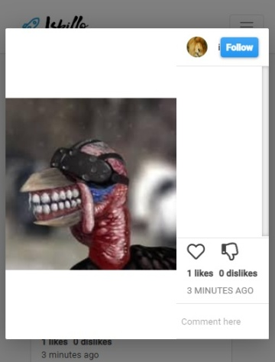
Status | New
Component | Post
Version/Build number (Found in) | Version: 2020.3.1.4200
Environment | Chrome v109.0.5414.86, Xiaomi Mi 9T Pro with Android v.11 RKQ1.200826.002
Comments
Date Created | 2023-01-22
Author | Ivaylo Yordanov
Audit Log

Bug ID | iSB014
Name | Captions on posts are not visible
Priority | P1
Severity | S1
Description | Captions added to posts are not visible on the Homepage and when the post is opened. Bug is present for logged-in and not lodded-in users.
Steps to reproduce | 1. Open site. 2. Navigate to the Homepage using the "Home" link in websites header. Expected result: User should see available posts with picture and caption above them. Actual result: The posts have only pictures and no captions are visible.
Attachment | -
Status | New
Component | Post
Version/Build number (Found in) | Version: 2020.3.1.4200
Environment | Chrome v109.0.5414.75, Desctop PC using Windows 10 v22H2
Comments
Date Created | 2023-01-25
Author | Ivaylo Yordanov
Audit Log

Bug ID | iSB015
Name | Clicking on user's picture in searchfield search results doesn't open the user's profile page.
Priority | P2
Severity | S4
Description | In the searchfield's search results user profile page is opened only by clicking on the user's name and not on picture.
Steps to reproduce | 1. Open site and login with valid cerendtials. 2. Click in the searchfield and press "Space". Expected result: User should see other user's and open their profile by clicking on their picture or name. Actual result: User can't open other user's profiles by clicking in theit picture.
Attachment | -
Status | New
Component | Searchfield
Version/Build number (Found in) | Version: 2020.3.1.4200
Environment | Chrome v109.0.5414.75, Desctop PC using Windows 10 v22H2
Comments
Date Created | 2023-01-25
Author | Ivaylo Yordanov
Audit Log

Georgi Ivanov
Bug in Swag Labs

Bug ID | SLB001 |  | Bug ID | SLB002
Name | Login unsuccessful |  | Name | The drop down menu
Priority | P1 |  | Priority | P2
Severity | S2 |  | Severity | S3
Description | Check if the user can be logged in |  | Description | The drop down menu is displayed but once we select a function from it , it does not work and nothing happens.
Steps to reproduce | 1. Open site www.saucedemo.com 2. Enter valid username - locked_out_user , and valid password - secret_sauce 3. The following message is displayed - Sorry, this user has been locked out. Expected result: User must login successfully. Actual Result : The user is unsuccessful login |  | Steps to reproduce | 1. Open site www.saucedemo.com 2. Login successful whit username : problem_user and password - secret_sauce 3. We going to the product page 4. We click dropdown button 5. The drop-down menu opens and we select a different function for the products 6. Nothing happens after we select a different function Expected result: All features on the site to work Actual Result : When we decide to change a feature from the drop down menu to another , nothing happens and the products are not re-ordered according to a criteria.
Attachment | Picture 1 |  | Attachment | Picture 2
Status | New |  | Status | New
Component | Login |  | Component | Dropdown menu
Version/Build number (Found in) | 158 |  | Version/Build number (Found in) | 101
Environment | Chrome Version 108.0.5359.125 (Official Build) (64-bit) Microsoft Edge Version 109.0.1518.55 (Official build) (64-bit) |  | Environment | Chrome Version 108.0.5359.125 (Official Build) (64-bit) Microsoft Edge Version 109.0.1518.55 (Official build) (64-bit)
Comments | - |  | Comments | -
Date Created | 2023-01-17 |  | Date Created | 2023-01-18
Author | Georgi |  | Author | Georgi
Audit Log | Georgi Ivanov created the bug on 17 Jan 2023 |  | Audit Log | Georgi Ivanov created the bug on 18 Jan 2023

Picture 1 to SLB001 |  |  | picture 2 to SLB002
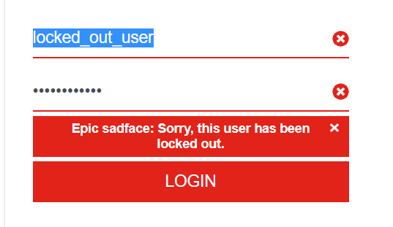

Bug ID | SLB003 |  | Bug ID | SLB004
Name | Problem with "add to cart" function |  | Name | The pictures of the products are of the same dog
Priority | P1 |  | Priority | P1
Severity | S2 |  | Severity | S2
Description | Only half of the products can be bought, the add to cart button is not activated. |  | Description | When you log in with "problem_user" and it redirects you to a home page with different products, but with the same photos, which is a mistake and confuses users.
Steps to reproduce | 1. Open site www.saucedemo.com 2. Login successful whit username : problem_user and password - secret_sauce 3. We going to the product page 4. We click on some products to put them in the cart. 5. The add to cart button is not activated. Expected result: Let's buy a product from the online store. Actual Result : We can't buy a product because of a bug on the site. |  | Steps to reproduce | 1. Open site www.saucedemo.com 2. Login successful whit username : problem_user and password - secret_sauce 3. We going to the product page 4. We see different product with same picture of dog. Expected result: The website for the online store should have different products and when you open it you can buy it. Actual Result : But once you open the site and log in , you see different products by description but with the same pictures , which confuses consumers and can lead to a drop in sales.
Attachment | Picture 3 |  | Attachment | Picture 3
Status | New |  | Status | New
Component | Payments |  | Component | Product
Version/Build number (Found in) | 311 |  | Version/Build number (Found in) | 208
Environment | Chrome Version 108.0.5359.125 (Official Build) (64-bit) Microsoft Edge Version 109.0.1518.55 (Official build) (64-bit) |  | Environment | Chrome 108 , Microsoft Edge Version 109.0.1518.55 (Official build) (64-bit)
Comments | - |  | Comments | -
Date Created | 2023-01-18 |  | Date Created | 2023-01-18
Author | Georgi |  | Author | Georgi
Audit Log | Georgi Ivanov created the bug on 18 Jan 2023 |  | Audit Log | Georgi Ivanov created the bug on 18 Jan 2023

 | Picture 3 to SLB003 and SLB004
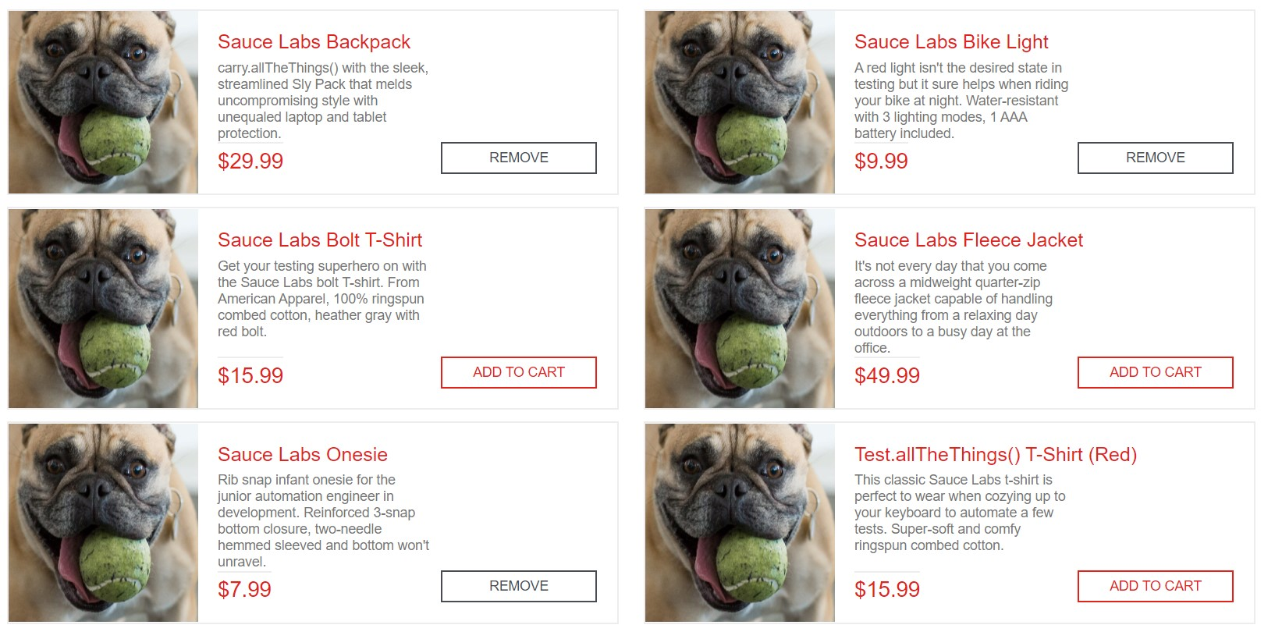

Bug ID | SLB005 |  | Bug ID | SLB006
Name | The products do not match |  | Name | Delayed login
Priority | P1 |  | Priority | P1
Severity | S3 |  | Severity | S3
Description | On the product page, we click on a product and another product opens. |  | Description | Homepage opens after a delay longer than the written specification.
Steps to reproduce | 1. Open site www.saucedemo.com 2 .Login successful with username - problem_user and password - secret_sauce 3. Click button a given product 4. Open different product Expected result: We expect that when we click on a product to view and buy it, it is the same product. Actual Result : After clicking on a given product, the site redirects us to another product. |  | Steps to reproduce | 1. Open site www.saucedemo.com 2. Login successful with username - performance_glitch_user and password - secret_sauce 3 Home page opens after 10 seconds Expected result: We expect to log in without a problem as a registered user. Actual Result : We log in only 10 seconds after pressing the login button.
Attachment | Picture 4 and 5 |  | Attachment
Status | New |  | Status | New
Component | Product |  | Component | Login
Version/Build number (Found in) | 134 |  | Version/Build number (Found in) | 99
Environment | Chrome Version 108.0.5359.125 (Official Build) (64-bit) Microsoft Edge Version 109.0.1518.55 (Official build) (64-bit) |  | Environment | Chrome Version 108.0.5359.125 (Official Build) (64-bit) Microsoft Edge Version 109.0.1518.55 (Official build) (64-bit)
Comments | - |  | Comments | -
Date Created | 2023-01-18 |  | Date Created | 2023-01-18
Author | Georgi |  | Author | Georgi
Audit Log | Georgi Ivanov created the bug on 18 Jan 2023 |  | Audit Log | Georgi Ivanov created the bug on 18 Jan 2023

Picture 4 to SLB005
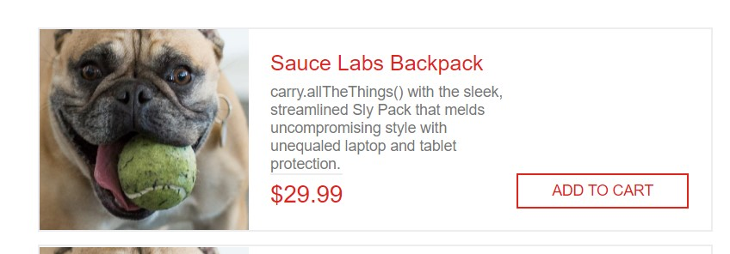

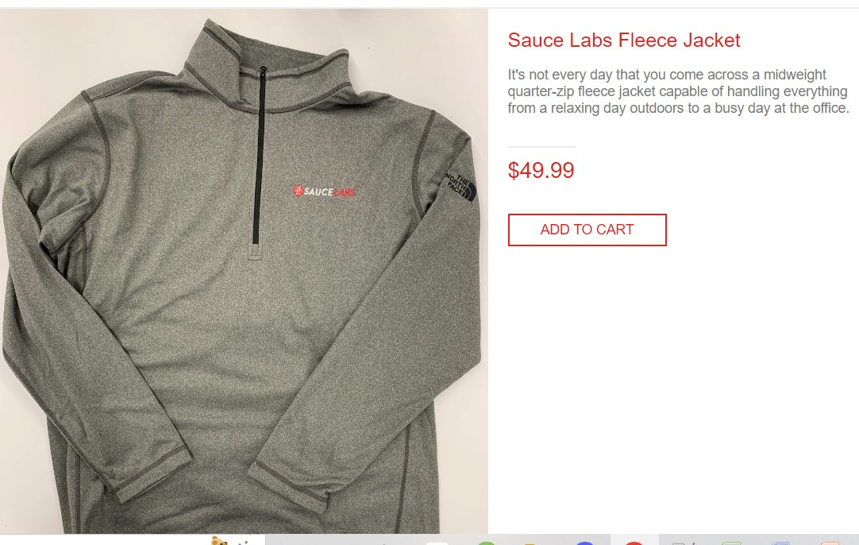
Picture 5 to SLB005

Bug ID | SLB007 |  | Picture 6 to SLB007
Name | Product page opens
Priority | P2
Severity | P4
Description | After successfully logging in with the 3 usernames , we see how in all cases we end up on a page with products, and not on the home page of the site.
Steps to reproduce | 1. Open site www.saucedemo.com 2 .Login successful with username - standard_user , problem_user , performance_glitch_user and password - secret_sauce 3. Open the product page Expected result: We expect to go to the home page after logging in. Actual Result : Тhe site refers us directly to the product page. | 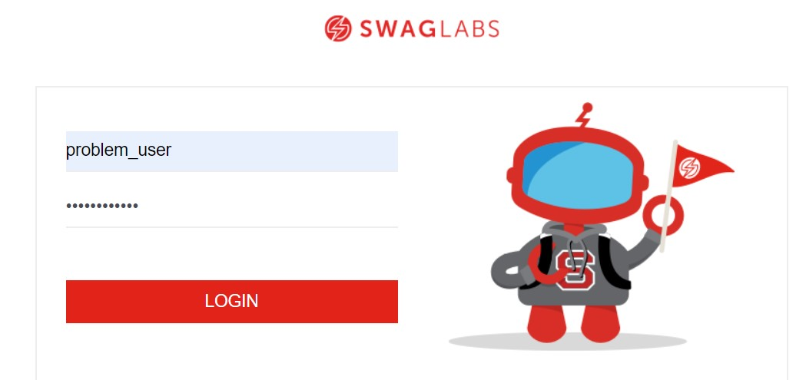
Attachment | Picture 6 and 7
Status | New
Component | Login
Version/Build number (Found in) | 199
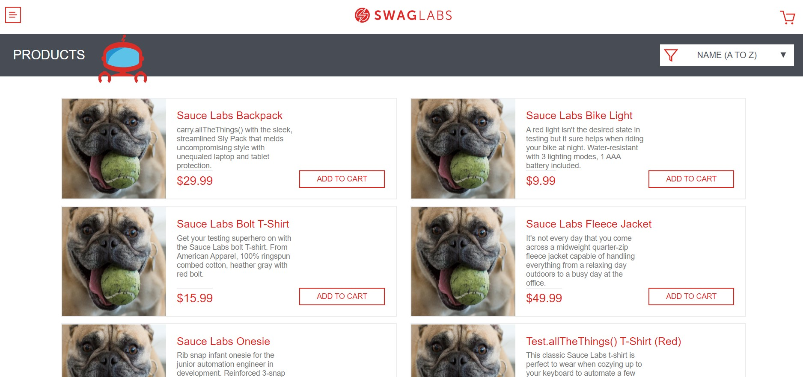
Environment | Chrome Version 108.0.5359.125 (Official Build) (64-bit) Microsoft Edge Version 109.0.1518.55 (Official build) (64-bit) |  | Picture 7 to SLB007
Comments | -
Date Created | 2023-01-18
Author | Georgi
Audit Log | Georgi Ivanov created the bug on 18 Jan 2023

Bug ID | SLB008 |  | Picture 8 to SLB008
Name | Server is slow
Priority | P1
Severity | S2
Description | After successfully logging , the server is very slow. Whatever step we take on the site is always very slow.
Steps to reproduce | 1. Open site www.saucedemo.com 2 .Login successful with username - performance_glitch_user and password - secret_sauce 3. Open the product page - 10 seconds. 4. Click dropdown - 10 seconds. 5. Click "About" - 10 seconds. 5 We click on the full basket. 6. Click "Continue shopping" - Product page open = 10 seconds. Expected result: We expect the site to work quickly for our convenience. Actual Result : The site lags on every command by 10 and over 10 seconds. | 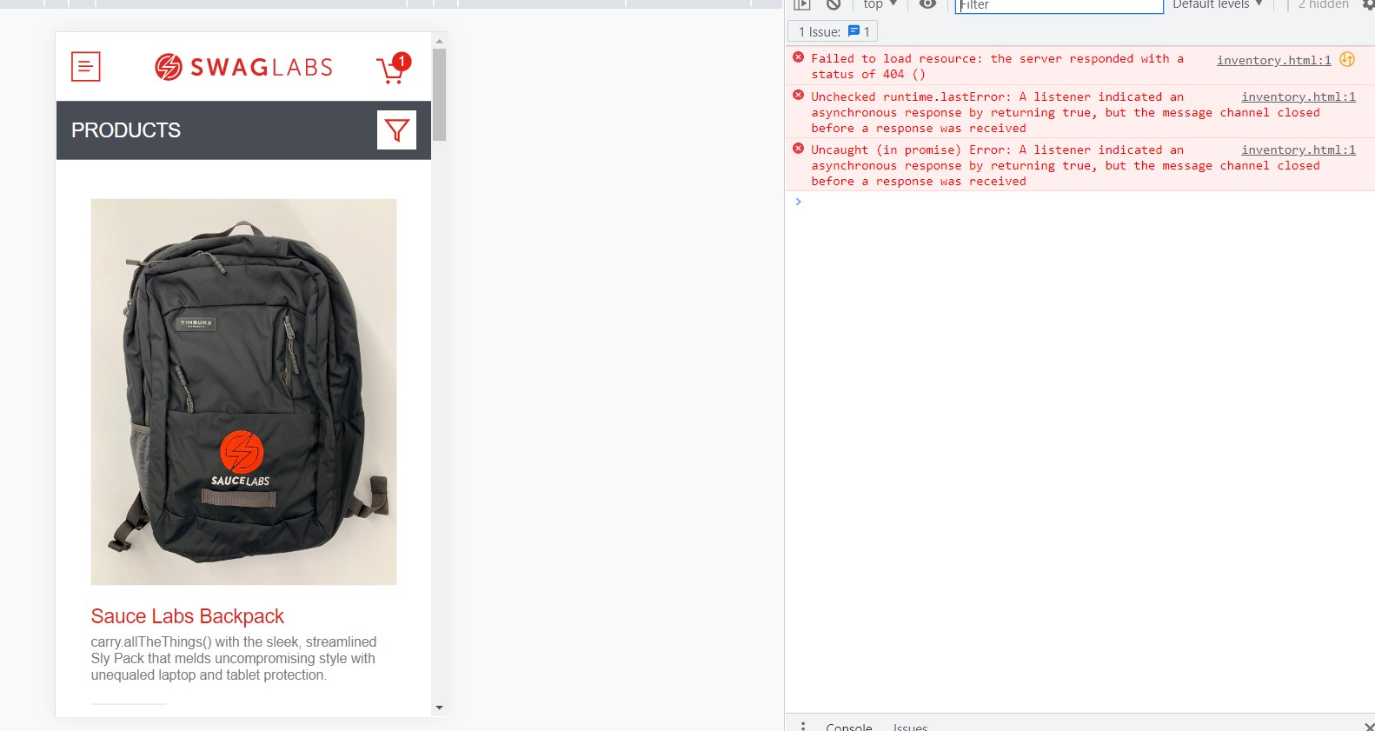
Attachment | Picture 8
Status | New
Component | Login , payments , ect
Version/Build number (Found in) | 543
Environment | Chrome Version 108.0.5359.125 (Official Build) (64-bit) Microsoft Edge Version 109.0.1518.55 (Official build) (64-bit)
Comments | -
Date Created | 2023-01-18
Author | Georgi
Audit Log | Georgi Ivanov created the bug on 18 Jan 2023

Bug ID | SLB009 |  | Picture 9 to SLB009
Name | Chekout not activate
Priority | P1
Severity | S2
Description | The fields with the user's personal information for payment are not working.
Steps to reproduce | 1. Open site www.saucedemo.com 2 .Login successful with username - performance_glitch_user and password - secret_sauce 3. Open the product page and add to cart a given product. 4. Click to basket 5. Click chekout 5 We fill in the first name 6. We can not fill in the last name. Expected result: We expect the site to be functional and to be able to buy a product since it is an online store. Actual Result : We are unable to complete your order due to an error on the site and the correct filling of personal data before the order itself is completed. | 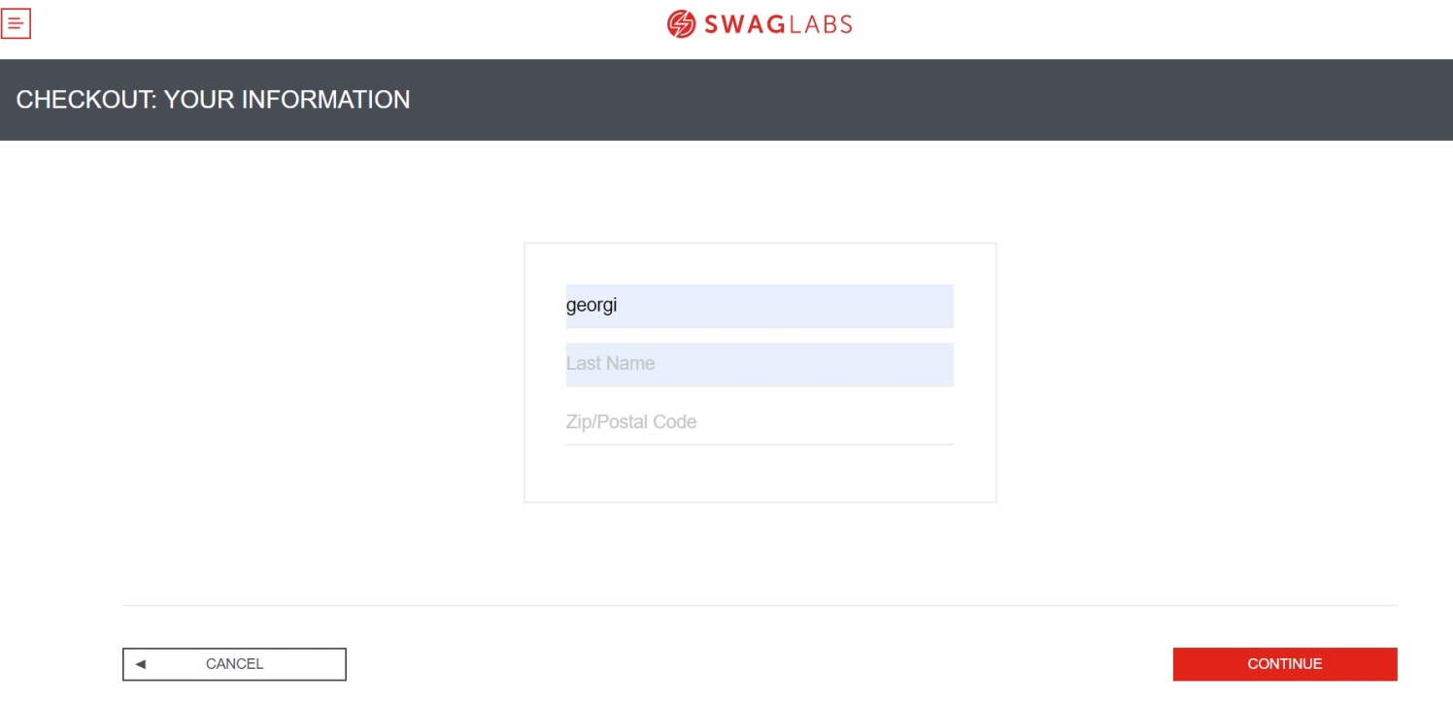
Attachment | Picture 9 , 10 , 11
Status | New
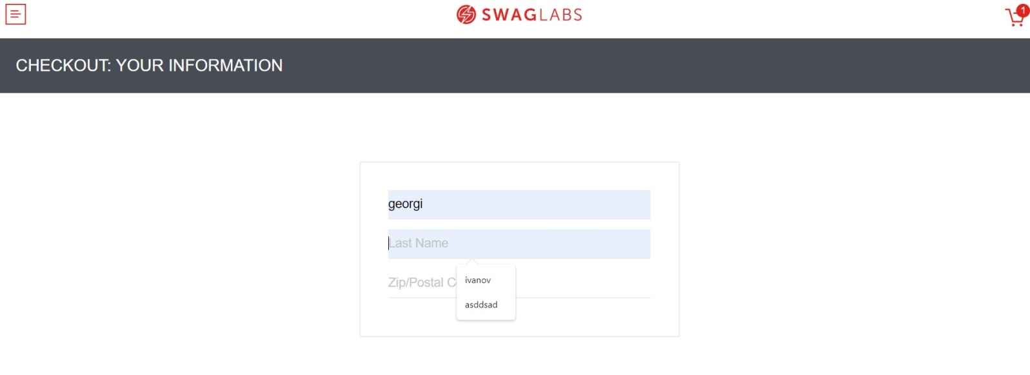
Component | Chekout |  | Picture 10 to SLB009
Version/Build number (Found in) | 231
Environment | Chrome Version 108.0.5359.125 (Official Build) (64-bit) Microsoft Edge Version 109.0.1518.55 (Official build) (64-bit)
Comments | -
Date Created | 2023-01-18
Author | Georgi
Audit Log | Georgi Ivanov created the bug on 18 Jan 2023

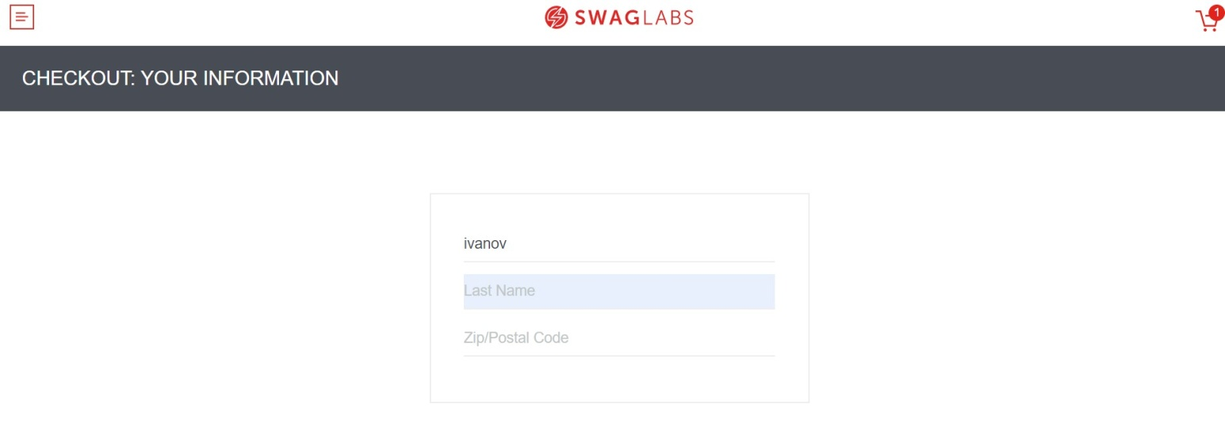
Picture 11 to SLB009

Bug ID | SLB010
Name | Тhe basket is always full
Priority | P1
Severity | S2
Description | You give a request to a user to buy a product, you log out and do not complete your order. You log in with a different username and the basket is full of the order given by the previous user.
Steps to reproduce | 1. Open site www.saucedemo.com 2 .Login successful with username - performance_glitch_user and password - secret_sauce 3. Open the product page and add to cart a given product. 4. Click to basket 5. Click Logout 5 Open login form again and login with username - standard_user and password - secret_sauce 6. We login successful and product page opens 7. We see basket is full. Expected result: We expect the online store to work correctly Actual Result : The online store is not working well.The orders of other users come up in our profile.What if at some point any user can pay with our card?
Attachment
Status | New
Component | Login , Payments , Basket
Version/Build number (Found in) | Version: 2020.3.1.4200
Environment | Chrome Version 108.0.5359.125 (Official Build) (64-bit) Microsoft Edge Version 109.0.1518.55 (Official build) (64-bit)
Comments | -
Date Created | 2023-01-18
Author | Georgi
Audit Log | Georgi Ivanov created the bug on 18 Jan 2023

Bug to iSkillo platform

Bug ID | PSB001
Name | The site is stuck and slow
Priority | P1
Severity | S2
Description | After a successful login we find that the server is very slow. Whatever step we take on the site, it is always very slow. |  | Picture to PSB001
Steps to reproduce | 1. Open site http://training.skillo-bg.com/posts/all 2. Login succesfful with username afsdfs@sdfds01.com and password - afsdfs@sdfds01.com , and home page opens 3.Click profil button and opening profil page after 5 sec. 4. Click Home page button and opening home page after some delay. Expected result: We expect the site not to be slow and to work fast Actual Result : Site features are slow and site lags | 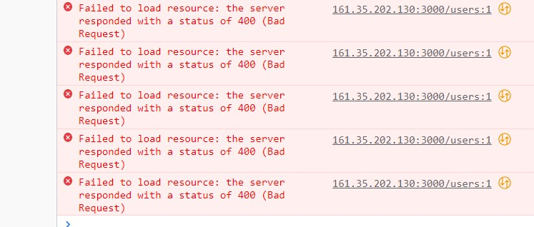
Attachment | Picture 1
Status | New
Component | Performarce
Version/Build number (Found in) | Version: 2020.3.1.4200
Environment | Chrome Version 108.0.5359.125 (Official Build) (64-bit) Microsoft Edge Version 109.0.1518.55 (Official build) (64-bit)
Comments | -
Date Created | 2023-01-19
Author | Georgi
Audit Log | Georgi Ivanov created the bug on 19 Jan 2023

Bug ID | PSB002
Name | Unsuccessful upload picture on the post
Priority | P2
Severity | S3
Description | When we decide to upload a new post and a picture to it , we find that the button which is upload file "Drop an image here" does not work.Only the other one "Browse" works. |  | Picture 2 to PSB002
Steps to reproduce | 1. Open site http://training.skillo-bg.com/posts/all 2. Login succesfful with username afsdfs@sdfds01.com and password - afsdfs@sdfds01.com , and home page opens 3. Click "New post" button and opens. 4. Click "Drop an image here" and is not activate. 5. Click "Browse" button is activate. Expected result: We expect all features to spec and visually work. Actual Result : Only one of the two buttons for uploading photos to posts works. |  | 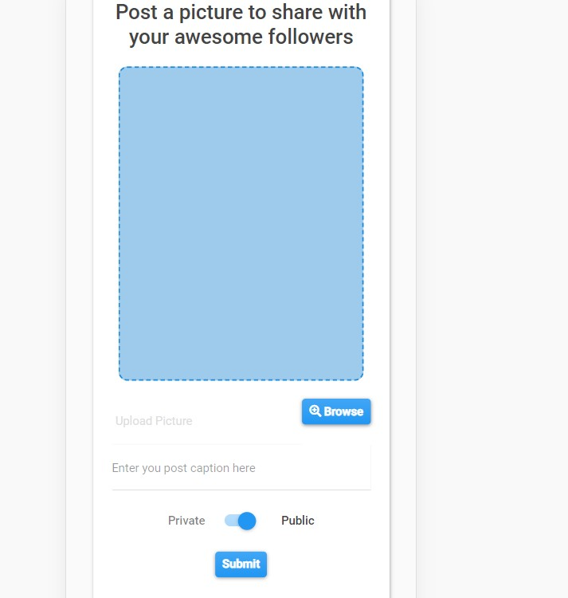
Attachment | Picture 2 , 3
Status | New
Component | Posts
Version/Build number (Found in) | Version: 2020.3.1.4200
Environment | Chrome Version 108.0.5359.125 (Official Build) (64-bit) Microsoft Edge Version 109.0.1518.55 (Official build) (64-bit)
Comments | -
Date Created | 2023-01-19
Author | Georgi
Audit Log | Georgi Ivanov created the bug on 19 Jan 2023
 |  |  | Picture 3 to PSB002
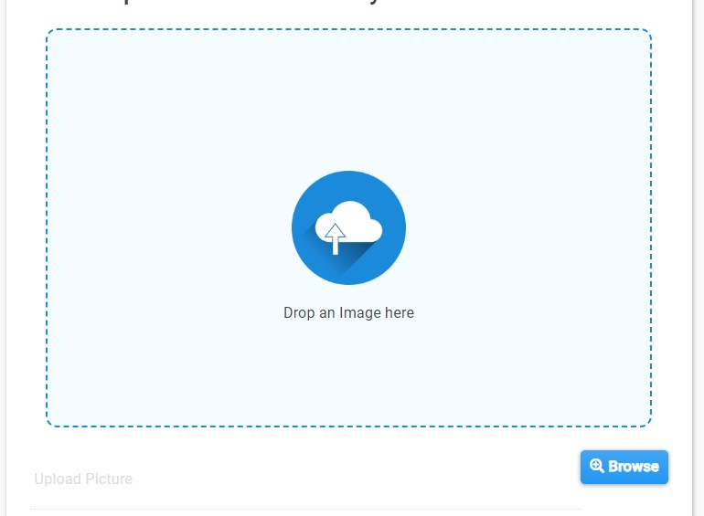

Bug ID | PSB003
Name | Unsuccessful Registration |  | Picture 4 to PSB003
Priority | P1
Severity | S3
Description | We fail to register and it does not show why , no message comes out.
Steps to reproduce | 1. Open site http://training.skillo-bg.com/posts/all 2. Click Login button and login form opens. 3. Click link Registration and registration form opens 4. We enter our valid data and make sure we follow the specification. 5. The registration has failed and no explanatory message is displayed. 6. We open Develper tools and there it becomes clear why we can not register - (Note: The email address has more characters than necessary , but the specification does not describe such a REQ.. Expected result: We expect to register successfully following the rules , site policy and specification given to us. Actual Result : We fail to register , and an ordinary user would not even understand what the problem is.There is a problem in communication and not detailed specification. | 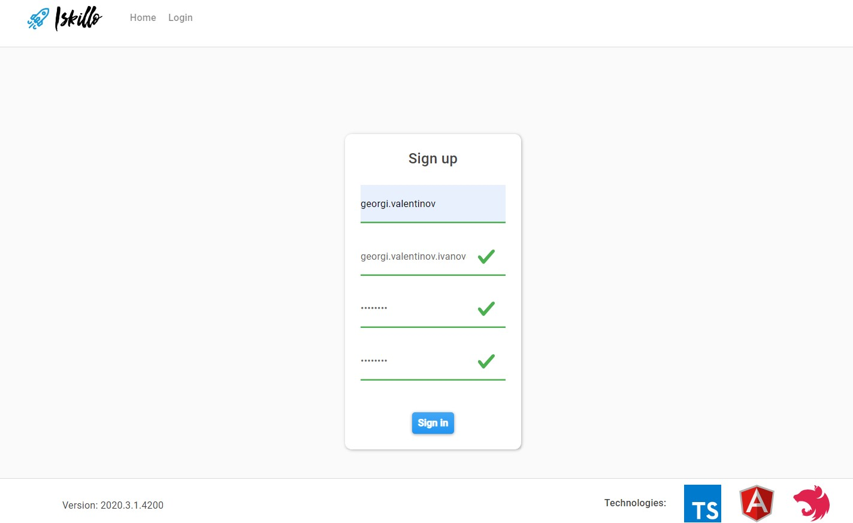
Attachment | Picture 4 , 5 and 6
Status | New |  | Picture 5 to PSB003
Component | Registration
Version/Build number (Found in) | Version: 2020.3.1.4200
Environment | Chrome Version 108.0.5359.125 (Official Build) (64-bit) Microsoft Edge Version 109.0.1518.55 (Official build) (64-bit)
Comments | Message Developer tools - "email must be shorter than or equal to 20 characters" (Note: Which is not described in the specification)
Date Created | 2023-01-21
Author | Georgi
Audit Log | Georgi Ivanov created the bug on 21 Jan 2023
 |  |  | Picture 6 to PSB003
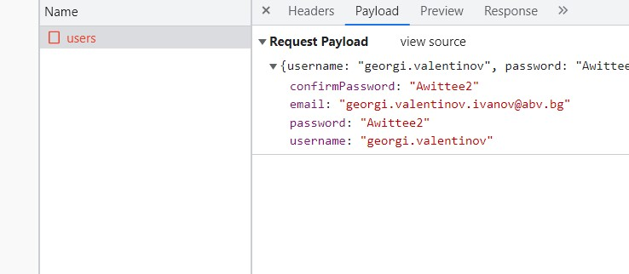

Bug ID | PSB004
Name | A mock-up of a registration form
Priority | P3
Severity | S4 |  | Picture 7 - Real register form To PSB004
Description | A mock-up of a registration form from the specification does not match the actual one on the site. There is no public info and you can't describe yourself.
Steps to reproduce | 1. Open site http://training.skillo-bg.com/posts/all 2. Click Login button and login form opens. 3. Click link Registration and registration form opens 4. Missing the public info field , which is depicted on the specification wet. Expected result: We expect everything in the specification platform to be as written. Actual Result : But already on the registration form there are inconsistencies. | 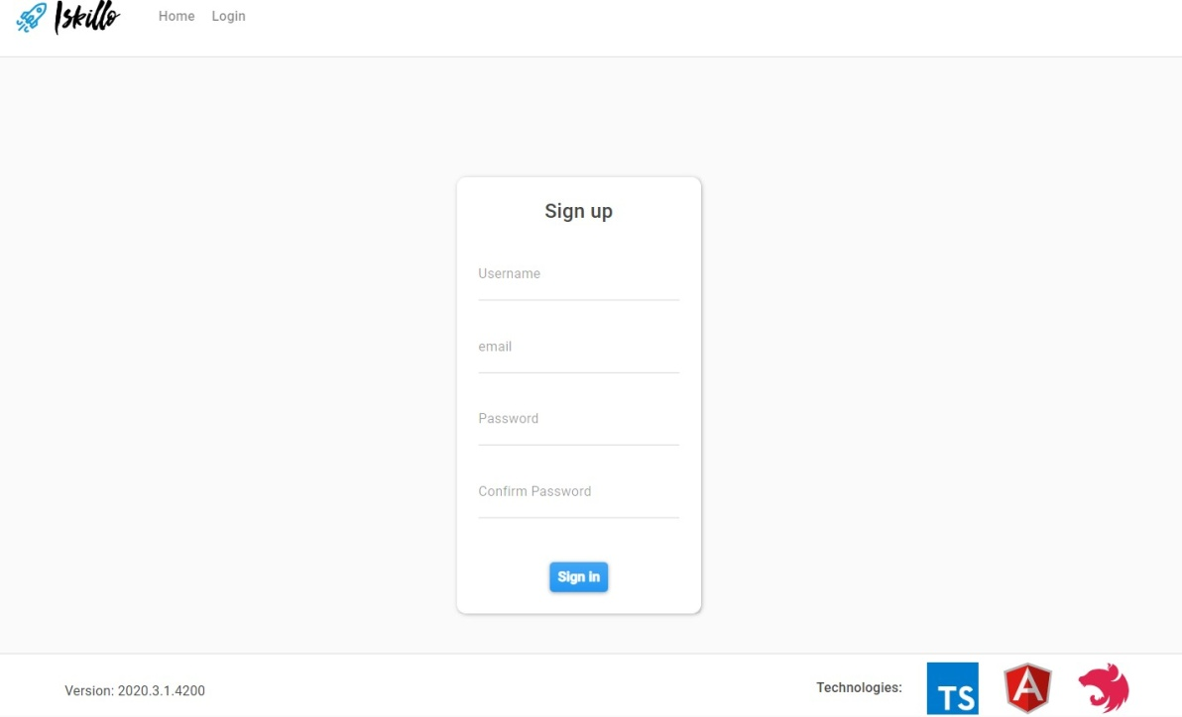
Attachment | Picture 7 and 8
Status | New
Component | Registration
Version/Build number (Found in) | Version: 2020.3.1.4200
Environment | Chrome Version 108.0.5359.125 (Official Build) (64-bit) Microsoft Edge Version 109.0.1518.55 (Official build) (64-bit)
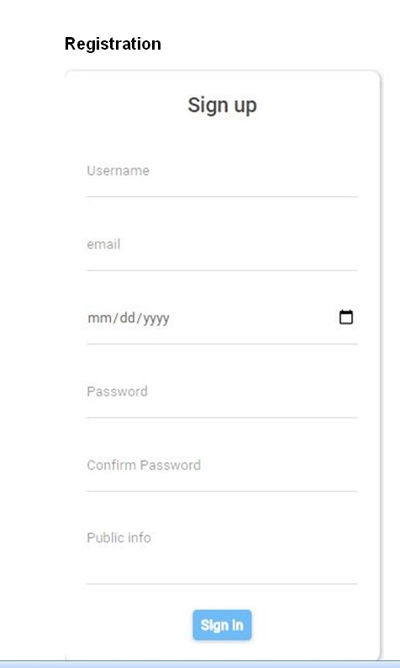
Comments | Тhere are discrepancies with the specification |  | Picture Mockup Spec. To PSB004
Date Created | 2023-01-21
Author | Georgi
Audit Log | Georgi Ivanov created the bug on 21 Jan 2023

Bug ID | PSB005 |  | Bug ID | PSB006
Name | Full functionality |  | Name | Еdit profile - change password
Priority | P2 |  | Priority | P2
Severity | S3 |  | Severity | S2
Description | When a user is not registered he sees many posts and users , but when he registers and logs in he sees very few of them |  | Description | When editing the account and specifically changing the password , it did not happen to disconnect us , but after a while when we tried to log in again and it said wrong password , and since there is no forgot password option it is impossible to log in anymore.
Steps to reproduce | 1. Open site http://training.skillo-bg.com/posts/all 2. We see a hell of a lot of user posts and we scroll and scroll down. 3. Click Login button and login form opens. 3. Click link Registration and registration form opens. 4. We registered successful. 5. Home page opens. 6. We can't scroll down because we only see 3 users. Expected result: We expect to be able to use the full functionality of the platform as described in the specification once registered Actual Result : After a successful registration , we log into the homepage platform and don't see all the posts and users we saw before we registered. |  | Steps to reproduce | 1. Open site http://training.skillo-bg.com/posts/all 2. Click Login button and login successful with username - georgi.valentinov and password - Awitte2020 3. Home page opens. 4. Click Profile button and profile page opens. 5. Click Modify Your Profile button and Modify Your Profile form opens. 6 We changed our password and did not disconnect us but logged out. 7. We tried to log in again , but could not. Expected result: We expect that once we have the option to change our password and change it , we will be able to log back into the site after a while with the valid credentials we used before. Actual Result : After trying to log into the site with our valid email and the new password we were thrown out and a message - Wrong password.We try our valid email and old password again the same - we can no longer log into the site.
Attachment |  |  | Attachment
Status | New |  | Status | New
Component | Full Fuctionality |  | Component | Edit profile
Version/Build number (Found in) | Version: 2020.3.1.4200 |  | Version/Build number (Found in) | Version: 2020.3.1.4200
Environment | Chrome Version 108.0.5359.125 (Official Build) (64-bit) Microsoft Edge Version 109.0.1518.55 (Official build) (64-bit) |  | Environment | Chrome Version 108.0.5359.125 (Official Build) (64-bit) Microsoft Edge Version 109.0.1518.55 (Official build) (64-bit)
Comments |  |  | Comments
Date Created | 2023-01-21 |  | Date Created | 2023-01-21
Author | Georgi |  | Author | Georgi
Audit Log | Georgi Ivanov created the bug on 21 Jan 2023 |  | Audit Log | Georgi Ivanov created the bug on 21 Jan 2023

Bug ID | PSB007 |  | Bug ID | PSB008
Name | Delete a post |  | Name | The amount of posts
Priority | P2 |  | Priority | P2
Severity | S3 |  | Severity | S4
Description | We delete a post , after it asks us if we are sure and a "YES" or "NO" box comes up , we undelete the post , but the post is deleted. |  | Description | The value of posts does not correspond to their actual quantity.
Steps to reproduce | 1. Open site http://training.skillo-bg.com/posts/all 2. Login successful with valid details and home page opens. 3. Go to the profile page , and upload a new post from the new post button 4.It redirects us to the post upload page and we upload a picture successfully. 5.Then we go to our account and decide to delete the post-we click delete post and we get a message asking us if we are sure with the options "YES" or "NO" 6. We press NO to not delete it , but see that the post is deleted. Expected result: We expect the site and its buttons to work properly and correctly. Actual Result : The buttons on the site that we press do not work correctly and our post is deleted because we have refused its deletion. |  | Steps to reproduce | 1. Open site http://training.skillo-bg.com/posts/all 2. Login successful with valid details and home page opens 3. We open our profile 4. We see how the amount of posts is different from the actual Expected result: We expect the post counter to work adequately after adding or deleting a post. Actual Result : After deleting a post , the post counter remains the same and does not change.
Attachment |  |  | Attachment | 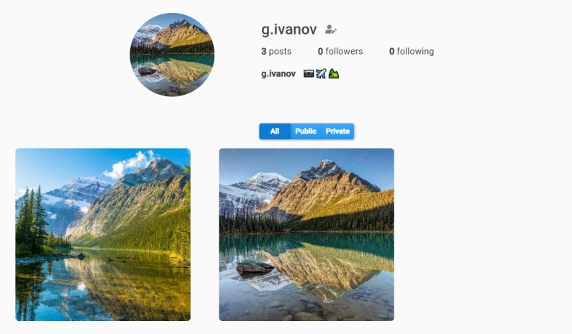
Status | New |  | Status | New
Component | Posts |  | Component | Posts
Version/Build number (Found in) | Version: 2020.3.1.4200 |  | Version/Build number (Found in) | Version: 2020.3.1.4200
Environment | Chrome Version 108.0.5359.125 (Official Build) (64-bit) Microsoft Edge Version 109.0.1518.55 (Official build) (64-bit) |  | Environment | Chrome Version 108.0.5359.125 (Official Build) (64-bit) Microsoft Edge Version 109.0.1518.55 (Official build) (64-bit)
Comments |  |  | Comments
Date Created | 2023-01-23 |  | Date Created | 2023-01-23
Author | Georgi |  | Author | Georgi
Audit Log | Georgi Ivanov created the bug on 23 Jan 2023 |  | Audit Log | Georgi Ivanov created the bug on 23 Jan 2023

Bug ID | PSB009 |  | Bug ID | PSB0010
Name | Likes and dislikes |  | Name | There is no button to upload a new post
Priority | P2 |  | Priority | P1
Severity | S3 |  | Severity | S2
Description | The like and dislike option doesn't work correctly.You can't like a post and dislike it. |  | Description | There is no button to upload a new post to the profile page after you have already uploaded one post.
Steps to reproduce | 1. Open site http://training.skillo-bg.com/posts/all and login successful - home page opens. 2. We hit like and dislike on a user's post. 3. We see how both functions are noted. Expected result: The specification functions should work correctly. Actual Result : Both like and dislike buttons are marked on the same post. |  | Steps to reproduce | 1. Open site http://training.skillo-bg.com/posts/all and login successful - home page opens. 2. We open our profile 3. We want to upload a new post but there is no new post button. Expected result: By specification you should be able to upload posts from the profile in addition to the main page. Actual Result : Once you have uploaded both a public and private post , the profile page no longer has a button to upload a new post.
Attachment | 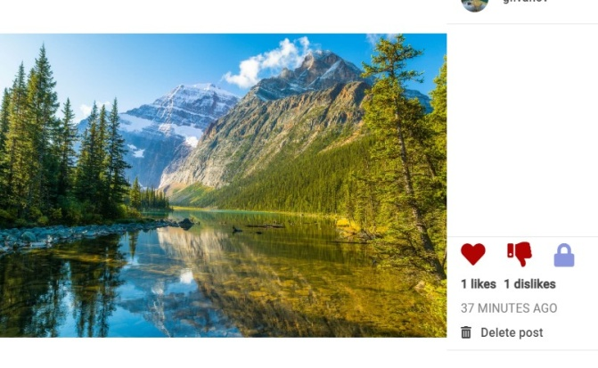 |  | Attachment | 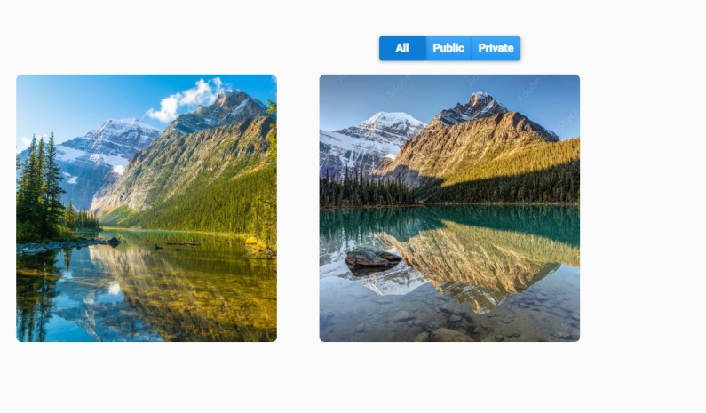
Status | New |  | Status | New
Component | Like and dislike |  | Component | Posts
Version/Build number (Found in) | Version: 2020.3.1.4200 |  | Version/Build number (Found in) | Version: 2020.3.1.4200
Environment | Chrome Version 108.0.5359.125 (Official Build) (64-bit) Microsoft Edge Version 109.0.1518.55 (Official build) (64-bit) |  | Environment | Chrome Version 108.0.5359.125 (Official Build) (64-bit) Microsoft Edge Version 109.0.1518.55 (Official build) (64-bit)
Comments |  |  | Comments
Date Created | 2023-01-23 |  | Date Created | 2023-01-23
Author | Georgi |  | Author | Georgi
Audit Log | Georgi Ivanov created the bug on 23 Jan 2023 |  | Audit Log | Georgi Ivanov created the bug on 23 Jan 2023

Bug ID | PSB011 |  | Bug ID | PSB012
Name | Added icon , missing in specification |  | Name | Wrong specification information.
Priority | P3 |  | Priority | P2
Severity | S4 |  | Severity | S3
Description | Added a magnifying glass icon in the search box which is missing in the specification mockup. |  | Description | Wrong information in requirements which are written in specification.It says that a user can see the information about the author and creation date for each post ---- "REQ-3: The user can see the information about the author and creation date for each post" , but this statement first does not describe whether the user is registered or not registered and second no one can see the information about the author of the post.
Steps to reproduce | 1. Open site http://training.skillo-bg.com/posts/all and login successful - home page opens. 2 We can see how an icon has been added at the top of the search box that is not there by specification. Expected result: We expect every requirement of the specification to be met. Actual Result : Not every single specification requirement has been met, other things have been added to the site design. |  | Steps to reproduce | 1. Open site http://training.skillo-bg.com/posts/all 2. As an unregistered user, we open a post and want to see information about the author , but do not see it 3.Login successful - home page opens. 4.Now as a registered user we open a post and want to see information about the author , but also do not see it Expected result: We check each requirement of the specification whether it works Actual Result : Not every requirement of the specification is written well and correctly and hence there are inconsistencies with the site. "We can't see information about the author of the post we liked."
Attachment |  |  | Attachment
Status | New |  | Status | New
Component | Searching box |  | Component | Information
Version/Build number (Found in) | Version: 2020.3.1.4200 |  | Version/Build number (Found in) | Version: 2020.3.1.4200
Environment | Chrome Version 108.0.5359.125 (Official Build) (64-bit) Microsoft Edge Version 109.0.1518.55 (Official build) (64-bit) |  | Environment | Chrome Version 108.0.5359.125 (Official Build) (64-bit) Microsoft Edge Version 109.0.1518.55 (Official build) (64-bit)
Comments |  |  | Comments
Date Created | 2023-01-23 |  | Date Created | 2023-01-23
Author | Georgi |  | Author | Georgi
Audit Log | Georgi Ivanov created the bug on 23 Jan 2023 |  | Audit Log | Georgi Ivanov created the bug on 23 Jan 2023

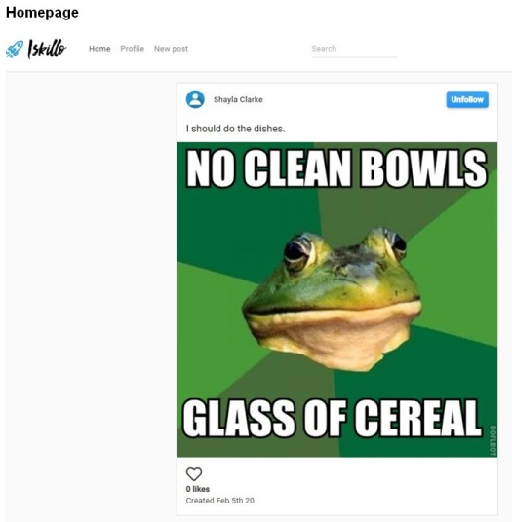
By specification
 |  | Real on the site

Bug ID | PSB013 |  | Bug ID | PSB014
Name | Problem with a mobile device |  | Name | Problem with a mobile device
Priority | P1 |  | Priority | P3
Severity | S2 |  | Severity | S4
Description | Problem with the posts when you are logged into the platform via phone.You don't see the posts separately like in the mockup in the spec , they are on top of each other. |  | Description | A lot of features and things don't work when you log in from a mobile device.One of them is that at the bottom of the screen - In the "footer" you don't see the "version" and "technologies used to build this platform"
Steps to reproduce | 1. Open site http://training.skillo-bg.com/posts/all with mobile phone and login successful - home page opens. 2. Click a give user. 3. We don't see his posts because they are on top of each other. Expected result: We also check the site via a mobile device whether it is functioning properly and correctly. Actual Result : Doesn't work as well through a laptop , the posts are on top of each other.Shouldn't be like that , but as in a mockup of the spec side by side. |  | Steps to reproduce | 1. Open site http://training.skillo-bg.com/posts/all and login successful - home page opens (Note:With mobile device). 2.Click profile and profile page opens. 3.At the bottom neither the "Version" of the site nor the "Technologies" it uses are visible. Expected result: We check with a mobile device that everything is in place according to specification and mockups Actual Result : The bottom is also missing the "version" and "technologies" that are set to display by specification.
Attachment | 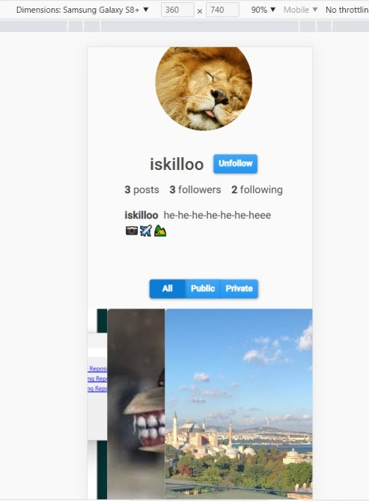 |  | Attachment | 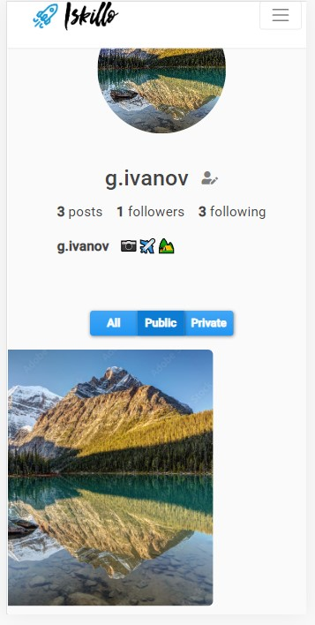
Status | New |  | Status | New
Component | Mobile device |  | Component | Mobile device
Version/Build number (Found in) | Version: 2020.3.1.4200 |  | Version/Build number (Found in) | Version: 2020.3.1.4200
Environment | Chrome Version 108.0.5359.125 (Official Build) (64-bit) Microsoft Edge Version 109.0.1518.55 (Official build) (64-bit) |  | Environment | Chrome Version 108.0.5359.125 (Official Build) (64-bit) Microsoft Edge Version 109.0.1518.55 (Official build) (64-bit)
Comments |  |  | Comments
Date Created | 2023-01-23 |  | Date Created | 2023-01-23
Author | Georgi |  | Author | Georgi
Audit Log | Georgi Ivanov created the bug on 23 Jan 2023 |  | Audit Log | Georgi Ivanov created the bug on 23 Jan 2023

Bug ID | PSB015
Name | Problem in specification and communication.
Priority | P3
Severity | S4
Description | Per the site spec , when you upload a new post and you should if you quit be able to close the form with esc , but that doesn't happen.
Steps to reproduce | 1. Open site http://training.skillo-bg.com/posts/all and login successful - home page opens. 2. Click New Post and form page opens. 3. When uploading a photo, we hesitate and refuse the upload - we press ECC (as per the specification we need to close the form). Expected result: We check the communication between developers and designers by testing against the specification whether a REQ is functioning correctly. Actual Result : There is a misunderstanding or error on their part because by specification we should close the form for new posts by pressing ECC but this does not happen.
Attachment
Status | New
Component | Posts
Version/Build number (Found in) | Version: 2020.3.1.4200
Environment | Chrome Version 108.0.5359.125 (Official Build) (64-bit) Microsoft Edge Version 109.0.1518.55 (Official build) (64-bit)
Comments
Date Created | 2023-01-23
Author | Georgi
Audit Log | Georgi Ivanov created the bug on 23 Jan 2023

Анести
Bug ID | PSB001
Name | Login button is disabled when using valid credentials | Bug ID | PSB002
Priority | P2 | Name | Ther user is redirected to wrong page
Severity | S2 | Priority | 1
Description | The user cannot login when using valid credentials, because the login button is disabled | Severity | 3
Steps to reproduce | 1. Load www.softwareundertest/login 2. Fill in valid credentials Expected result: Login button is enabled Actual result: Login button stays disabled | Description | When the user clicks on the shop now button that is in the main banner on the home page, we redirected him to the wrong page/site.
Attachment | - | Steps to reproduce | 1. Open site 2. Click on the shop now button that is in main banner Actual Result : The user is redirected to wrong page/site; Expected result: The user is redirected to product page.
Status | New/To do | Attachment | -
Component | Login | Status | New
Version/Build number (Found in) | 257 | Component | Home page
Environment | Firefox 58.0.2, Chrome 66.0.3359.181 | Version/Build number (Found in) | 125
Comments | - | Environment | Chrome 105
Date Created | 2018-06-05 | Comments | -
Author | Hjusein Tjurkmen | Date Created | 2022-10-27
Audit Log | Hjusein Tjurkmen created the bug on 5 Jun 2018 | Author | Shtiliyan
 |  | Audit Log | Shtiliyan created the bug

BUGS with swaglabs
TEMPLATE
Bug ID | PSB001 |  | asdfasfsdfsd
Name | impossible to change the quantity on the selected product in the basket
Priority | hi level
Severity | hi
Description | check the possibility of changing the quantity in the cart
Steps to reproduce | notes 1. fill valid credentions on www. swaglabs. com, use the first one:standard_user and password: secret_sauce 2.choice the products and add to cart. 3. trying to increace the quantity of Sauce Labs Bolt T-Shirtrt expected result: increacing the quantity on ordered product actual result: impossible to change the quantity
Attachment
Status | new / to do
Component | your cart
Version/Build number (Found in)
Environment | desctop windows 8, chrome 108
Comments | -
Date Created | 2023-01-19
Author | Anesti Trifonov
Audit Log | Anesti Trifonov creatad the bug on 19.01.2023
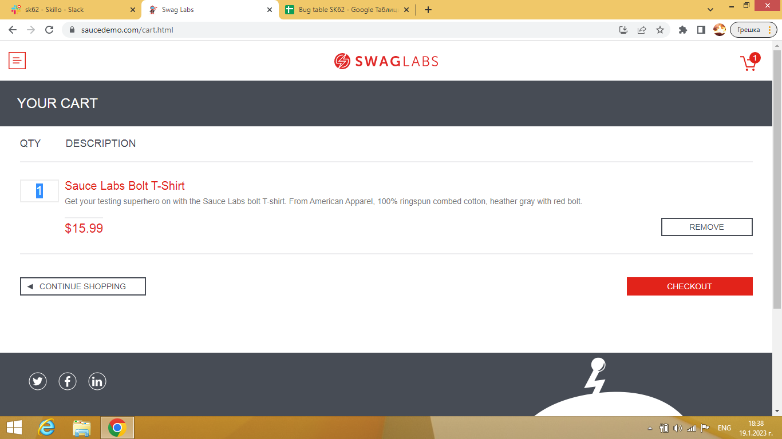

Bug ID | PSB002
Name | button continue shopping from Your cart is not working
Priority | P2
Severity | S2
Description | The user cannot go on main screеn with the goods sold after stay few minutеs on cart Contune shopping buton is not responcible
Steps to reproduce | 1. Load www.softwareundertest/login 2. Fill in valid credentials: username: standart user, password: secret_sauce 3. choice a few goods 4. after few minutes buton continue shoping from Your card is not return us on the main page with the goods expected result continue shoping button is not responssible Actual result: continue shoping button send us on first page with user name and pasword with message epic sadface...
Attachment
Status | New/To do
Component | your card
Version/Build number (Found in) | 257
Environment | desctop windows 8, chrome 108
Comments | -
Date Created | 2023-01-19
Author | Anesti Trifonov
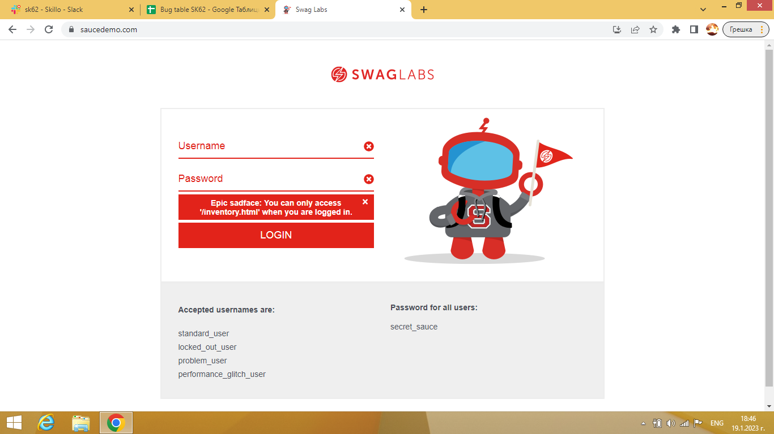
Audit Log | Anesti Trifonov created the bug on 19. 01 2023

bugs iskillo

Bug ID | PSB001
Name | unable to register/sign up
Priority | hi
Severity | hi
Description | unable to register from sign up form
Steps to reproduce | 1. Load http://training.skillo-bg.com/posts/all 2. choice Log in 3. choice Register 4. Try to register with new cridentions 5. apearing 3 green (V ....) expected result: redirecting on next page for registration Actual result: empty sign up form with registration failed message on down right corner on red border
Attachment | 2 pcs down
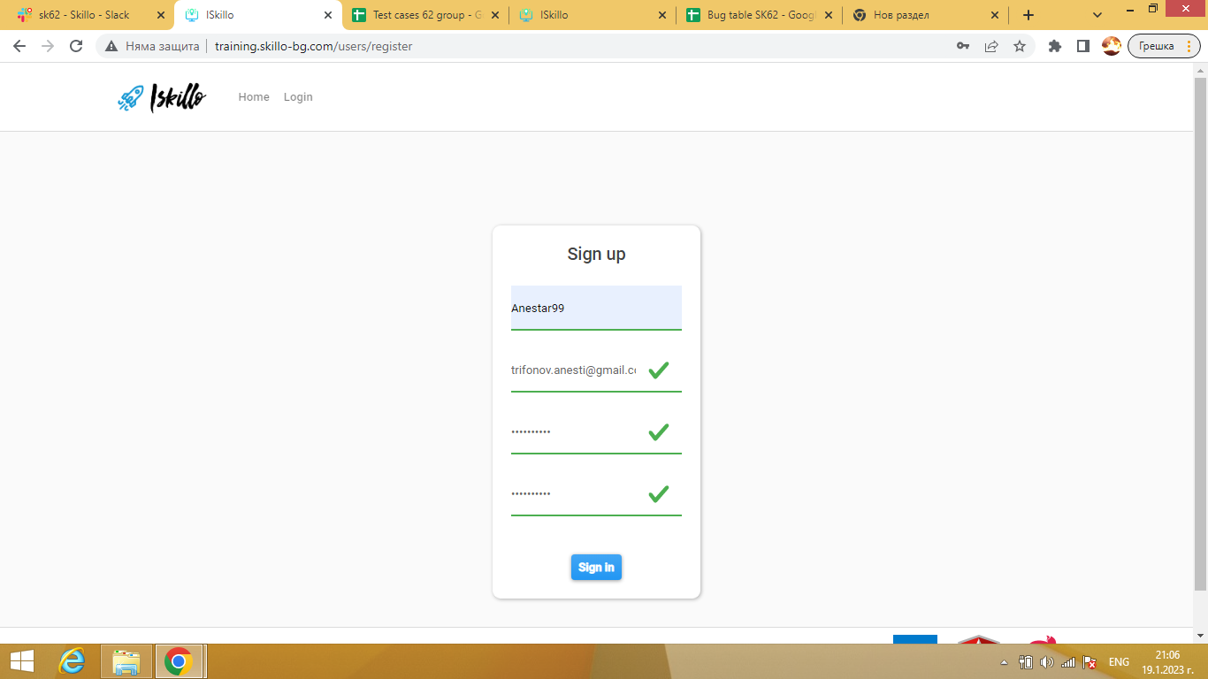
Status | New/To do
Component | Sign up form
Version/Build number (Found in) | 257
Environment | desctop windows 8, chrome 108
Comments | -
Date Created | 2023-01-19
Author | Anesti Trifonov
Audit Log | Anesti Trifonov creatad the bug on 19.01.2023

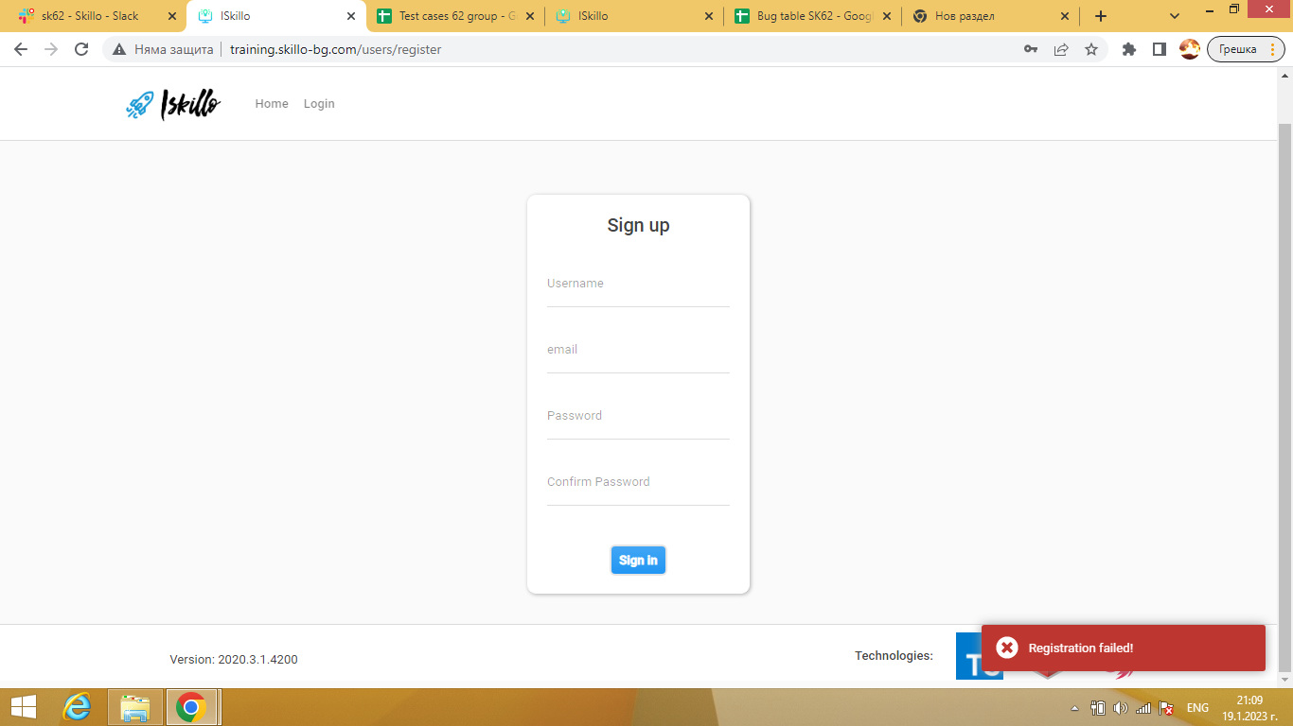

Bug ID | PSB002
Name | dislike is possible from not registrated user
Priority | hi
Severity | low
Description | possibility to dislike from not registred user
Steps to reproduce | 1. Load http://training.skillo-bg.com/posts/all 2. choice home 3. choice any user 4. click to see the post 5. try to dislike post 6. dislike is possible expected result: unpossible to dislike Actual result counted dislike
Attachment
Status | New/To do
Component | any user open form
Version/Build number (Found in) | 257
Environment | desctop windows 8, chrome 108
Comments | -
Date Created | 2023-01-19
Author | Anesti Trifonov
Audit Log | Anesti Trifonov creatad the bug on 19.01.2023

Bug ID | PSB003
Name | public info is not visible on registration form
Priority | low
Severity | low
Description | not visible feild public info from not registred user
Steps to reproduce | 1. Load http://training.skillo-bg.com/posts/all 2. choice Log in 3. choice Register expected result: to see feild public info after confirm password Actual result: there is not feild public info
Attachment
Status | New/To do
Component | Sign up form
Version/Build number (Found in) | 257
Environment | desctop windows 8, chrome 108
Comments | -
Date Created | 2023-01-19
Author | Anesti Trifonov
Audit Log | Anesti Trifonov creatad the bug on 19.01.2023

